Specification
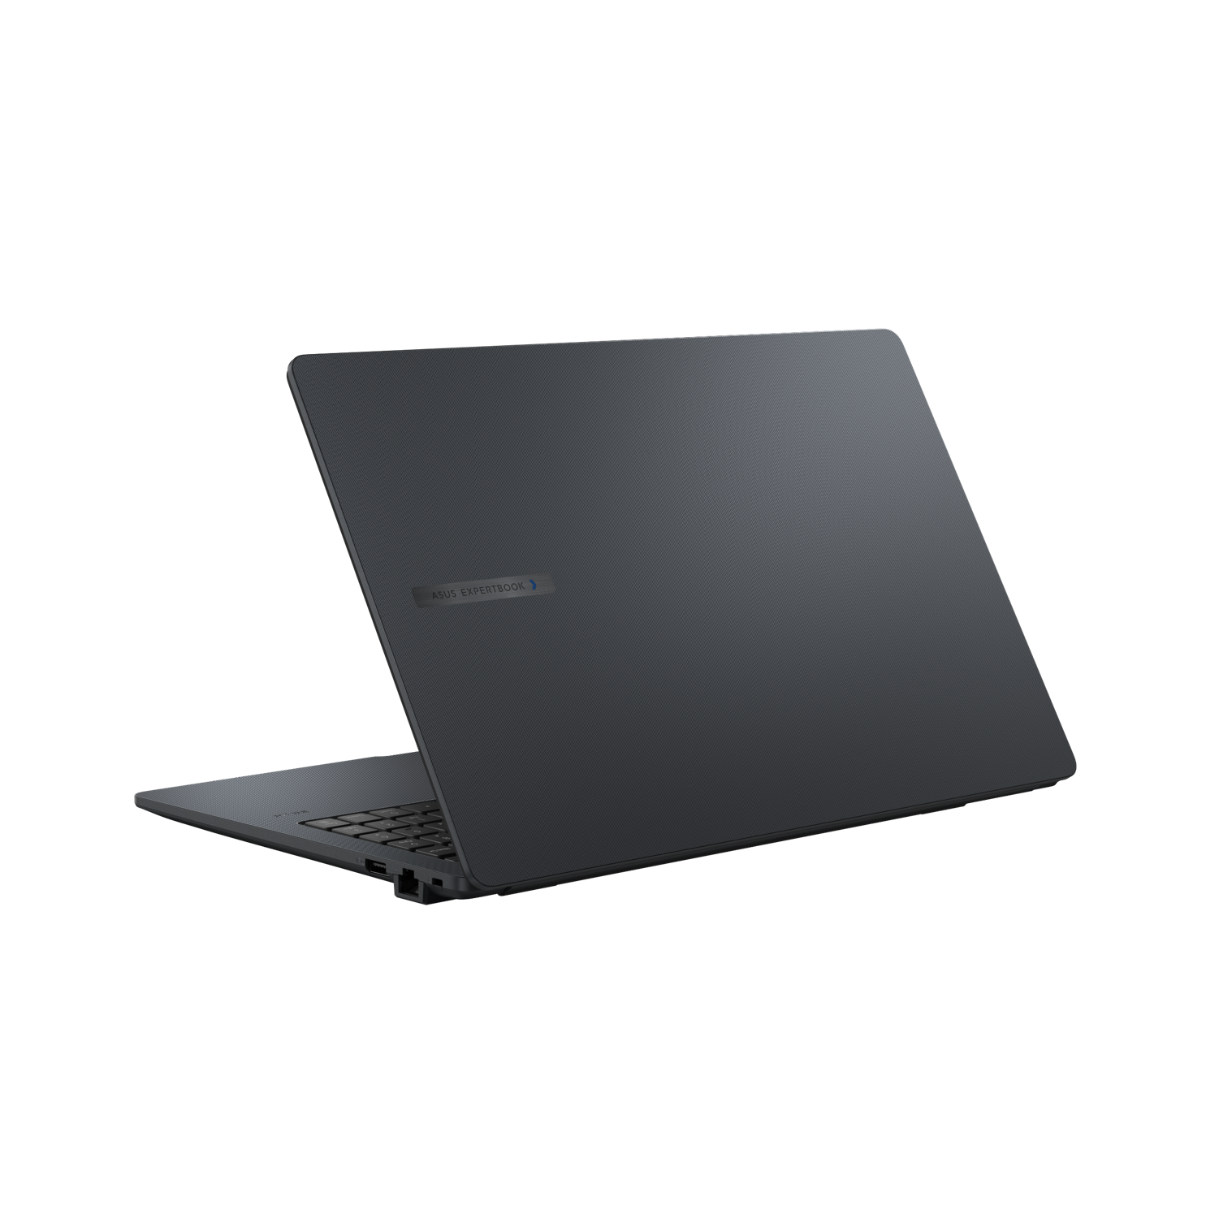

Part No | 90NX0801-M0B570
Sales Model Name | B1503CVA-S79665X
EAN Code
UPC Code
WEEE | 1.465
BASE UNIT | VSNX0801-BUB051

Operating System | Windows 11 Pro
Office | 1-month trial for new Microsoft 365 customers. Credit card required.
LCD cover-material | Plastic
LCD cover-color | Gentle Grey
Top case-material | Plastic
Top case-color | Gentle Grey
Bottom case-material | Plastic
Bottom case-color | Gentle Grey
Military grade | US MIL-STD 810H military-grade standard
Panel Size | 15.6-inch
Backlit | LED Backlit
Brightness | 300nits
Resolution | FHD (1920 x 1080) 16:9
Glare | Anti-glare display
Color gamut | NTSC: 45%
View angle(H/V) | 170/170
Response time(Typ/Max) (ms) | 20/25
Refresh rate | 60Hz
Contrast (Typ) | 800:1
Touch Panel | Non-touch screen
Screen-to-body ratio | 87 %
IPS-level | Wide view
Processor | Intel® Core™ 5 Processor 120U 1.4 GHz (12MB Cache, up to 5.0 GHz, 10 Cores, 12 Threads)
Chipset | N/A
Discrete/Share | Share
Integrated GPU | Intel® UHD Graphics
VRAM | N/A
How to upgrade memory | Upgradable; Need to remove bottom/top case
Expansion Slot(includes used) | 2x DDR5 SO-DIMM slots 1x M.2 2280 PCIe 4.0x4 1x M.2 2230 PCIe 4.0x4
DIMM Memory | 16GB DDR5 SO-DIMM
Total System Memory | DDR5 16GB
Storage | 256GB M.2 2280 NVMe™ PCIe® 4.0 SSD SSD Housing for storage expansion
Front-facing camera | 1080p FHD camera With privacy shutter
Wireless | Wi-Fi 6E(802.11ax) (Triple band) 2*2 + Bluetooth® 5.4 Wireless Card
NumberPad | N/A
FingerPrint | FingerPrint
Keyboard type | Backlit Chiclet Keyboard with Num-key
Keyboard language | Ukrainian
I/O ports | 2x USB 3.2 Gen 1 Type-A 2x USB 3.2 Gen 2 Type-C support display / power delivery 1x HDMI 1.4, up to 3840x2160p/30Hz 1x 3.5mm Combo Audio Jack 1x RJ45 Gigabit Ethernet
Audio | Audio by Dirac Built-in speaker Built-in array microphone
Battery | 42WHrs, 3S1P, 3-cell Li-ion
AC Adapter | TYPE-C, 65W AC Adapter, Output: 20V DC, 3.25A, 65W, Input: 100~240V AC 50/60Hz universal (Adapter+power cord)
Required charging power | Min: 55W Max: 65W *The indicated wattage is for demonstrating the system’s support capability as required by EU regulations. For optimal system performance, please use the standard-wattage adapter or higher.
Dimension (WxHxD) | 35.95 x 23.22 x 1.99 ~ 1.99 cm (14.15" x 9.14" x 0.78" ~ 0.78")
Starting Weight (with Battery) | 1.65 kg (3.64 lbs)
Starting Weight (w/o Battery) | 1.47 kg (3.24 lbs)
Security | Fingerprint sensor intergrated with Touchpad Kensington Nano Security Slot™(6x 2.5mm) Intel CSME Firmware Resilience Support Absolute Persistence 2.0 (Computrace) Trusted Platform Module (TPM) 2.0 BIOS Integrity Measurement Support BIOS Protection Support Microsoft Secured-core PC BIOS Booting User Password Protection BIOS Self Recovery HDD User Password Protection and Security BIOS setup user password Enhanced Password Strength CSME BIOS Redundancy Assistance Intel® Boot Guard Intel® BIOS Guard Microsoft Security Level 2 N/A
Antivirus | McAfee® 30 days free trial
MyASUS feature | System diagnosis Battery health charging Fan Profile Splendid Tru2Life Function key lock WiFi SmartConnect AppDeals Link to MyASUS
Built-in Apps | AI ExpertMeet (AI features need devices with 12GB RAM or more) MyASUS
Disclaimer for Built-in Apps | Built-in Apps vary from OS SKU. *MyASUS/McAfee don't support in Clean Build/without OS/G sku/Win SE/Windows on ARM/Linux OS (ex. Endless, Kylin, Ubuntu)
Reparability Index (for Belgium) | 9.4
Reparability Index (for France) | 9.6
Ecolabels & Compliances | EPEAT Gold with Climate+ Energy star 8.0 FSC Recycled REACH RoHS TCO Certified
Base Warranty | 3Y Carry-In
Recommended Warranty Package Part number//Extension and/or upgrade service from base warranty | *If you would like to know the details, please contact your sales teams.
Battery warranty | Commercial NB B series Battery warranty follow system warranty, 4Y-5Y by WEP option.
Sustainable Material_Top cover(A part) | 30% PCR recycled plastic(cover or inner frame)
Sustainable Material_Keyboard frame (C part) | 30% PCR recycled plastic(cover or inner frame)
Sustainable Material_Bottom cover (D part) | 30% PCR recycled plastic(cover or inner frame)
Sustainable Material_Battery | 30% PCR recycled plastic
Sustainable Material_Total PCR recycled plastic | 29%

