Specification
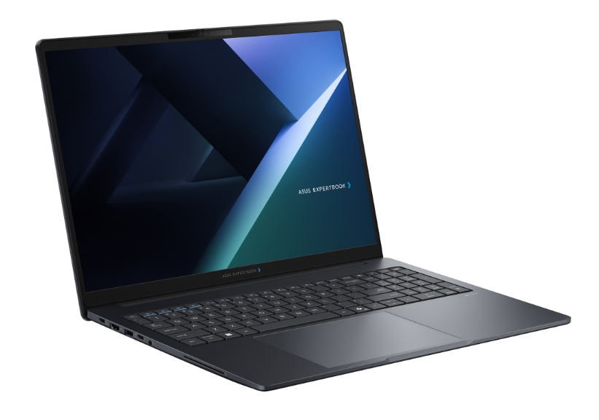

Part No | 90NX0A11-M00740
Sales Model Name | B3605CAA-MB0206
EAN Code | 4711636584401
UPC Code | 199291584402
WEEE | 1.403
BASE UNIT | VSNX0A11-BU2005

Operating System | Non-preinstalled OS
LCD cover-material | Aluminum
LCD cover-color | Gentle Grey
Top case-material | Plastic
Top case-color | Gentle Grey
Bottom case-material | Plastic
Bottom case-color | Gentle Grey
Military grade | US MIL STD 810H military grade standard (24 procedures)
Panel Size | 16.0-inch
Brightness | 300nits
Resolution | WUXGA (1920 x 1200) 16:10
Glare | Anti-glare display
Color gamut | NTSC: 45%
View angle(H/V) | 178/178
Response time(Typ/Max) (ms) | 25/30
Refresh rate | 60Hz
Contrast (Typ) | 1000:1
Touch Panel | Non-touch screen
Screen-to-body ratio | 85 %
IPS-level | Wide view
Processor | Intel® Core™ Ultra 5 Processor 325 2.1 GHz (12MB Cache, up to 4.5 GHz, 8 Cores, 8 Threads); Intel® AI Boost NPU up to 47 TOPS
Neural processor | Intel® AI Boost NPU
Chipset | N/A
Discrete/Share | Share
Integrated GPU | Intel® Graphics
VRAM | N/A
Expansion Slot(includes used) | 2x DDR5 SO-DIMM slots 1x M.2 2230 PCIe 4.0x4 1x M.2 2280 PCle 4.0/5.0x4
DIMM Memory | 16GB DDR5 SO-DIMM
Total System Memory | DDR5 16GB
Storage | 512GB M.2 2280 NVMe™ PCIe® 4.0 SSD SSD Housing for storage expansion
Front-facing camera | 1080p FHD camera with IR function to support Windows Hello With privacy shutter
Wireless | Wi-Fi 7(802.11be) (Triple band) 2*2 + Bluetooth® 6.0 Wireless Card
NumberPad | N/A
FingerPrint | FingerPrint
Keyboard type | Backlit Chiclet Keyboard with Num-key
Keyboard language | Ukrainian
I/O ports | 1x USB 3.2 Gen 2 Type-C support display / power delivery 2x USB 3.2 Gen 1 Type-A 1x Thunderbolt™ 4, compliant with USB4, support display / power delivery 1x HDMI 2.1 TMDS 1x 3.5mm Combo Audio Jack 1x RJ45 Gigabit Ethernet Micro SD card reader
Audio | Audio by Dirac Built-in speaker Built-in array microphone
Battery | 63WHrs, 3S1P, 3-cell Li-ion
AC Adapter | TYPE-C, 65W AC Adapter, Output: 20V DC, 3.25A, 65W, Input: 100~240V AC 50/60Hz universal (Adapter+power cord)
Required charging power | Min: 55W Max: 65W *The indicated wattage is for demonstrating the system’s support capability as required by EU regulations. For optimal system performance, please use the standard-wattage adapter or higher.
Dimension (WxHxD) | 33.23 x 20.20 x 1.05 ~ 1.90 cm (13.08" x 7.95" x 0.41" ~ 0.75")
Starting Weight (with Battery) | 1.86 kg (4.10 lbs)
Starting Weight (w/o Battery) | 1.63 kg (3.59 lbs)
Security | Fingerprint sensor integrated with Power Key Kensington Nano Security Slot™(6x 2.5mm) Microsoft Security Level 3 BIOS Integrity Measurement Support Intel CSME Firmware Resilience Microsoft Secured-core PC Support Absolute Persistence 2.0 (Computrace) Intel® Boot Guard HDD User Password Protection and Security BIOS setup user password Intel® BIOS Guard BIOS Booting User Password Protection Trusted Platform Module (TPM) 2.0 BIOS Self Recovery CSME BIOS Redundancy Assistance Enhanced Password Strength ASUS ExpertGurdian with NIST SP 800 193 compliance N/A
MyASUS feature | System diagnosis Battery health charging Fan Profile Splendid Tru2Life Function key lock WiFi SmartConnect AppDeals Link to MyASUS
MyExpert Features | Knowledge Hub Advanced Tool ExpertMeet(All) File Search SafeGuard Backup(Dual SSD, additional purchase before shipment)
Built-in Apps | AI ExpertMeet (AI features need devices with 12GB RAM or more) MyASUS
Disclaimer for Built-in Apps | Built-in Apps vary from OS SKU. *MyASUS/McAfee don't support in Clean Build/without OS/G sku/Win SE/Windows on ARM/Linux OS (ex. Endless, Kylin, Ubuntu)
Reparability Index (for Belgium) | 09.5
Reparability Index (for France) | 09.9
Ecolabels & Compliances | EPEAT Gold with Climate+ Energy star 9.0 FSC Recycled REACH RoHS TCO Certified
Base Warranty | 1Y Carry-In
Recommended Warranty Package Part number//Extension and/or upgrade service from base warranty | *If you would like to know the details, please contact your sales teams.
Battery warranty | Commercial NB B series Battery warranty follow system warranty, 4Y-5Y by WEP option.
Sustainable Material_Top cover(A part) | 30% PCR recycled plastic(cover or inner frame) 30% PIR recycled aluminum
Sustainable Material_Keyboard frame (C part) | 30% PCR recycled plastic(cover or inner frame)
Sustainable Material_Bottom cover (D part) | 30% PCR recycled plastic(cover or inner frame)
Sustainable Material_Battery | 30% PCR recycled plastic
Sustainable Material_Keyboard | 50% PCR recycled plastic cap
Sustainable Material_Speaker | 45% PCR + 5% OBP PCR recycled plastic enclosure
Sustainable Material_Total PCR recycled plastic | 27%

