Specification
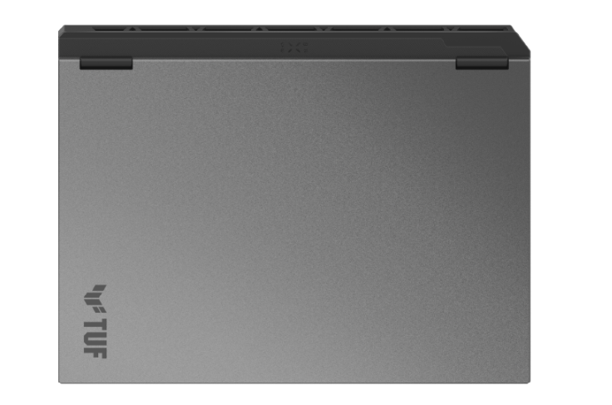

Part No | 90NR0KV1-M019F0
Sales Model Name | FA608UMI-TU591
EAN Code | 4711636761628
UPC Code | 199291761629
WEEE | 2.777
BASE UNIT | VSNR0KV1-BU4000

Marketing Name | ASUS TUF Gaming A16
Operating System | No preinstalled OS
Exclusive subscription offers | 3-Month Google AI Pro Subscription 6-Month Dropbox 500GB Subscription 1-Year ASUS Secure Auto-Backup 200GB Subscription *Available in eligible markets only. Eligibility varies by region, device, and time. Terms and conditions apply. See promotion pages for details.
Color | Jaeger Gray
Top case-material | Aluminum
LCD cover-material | Texture plastic
Bottom case-material | Texture plastic
Dimension (W x D x H) | 35.4 x 26.9 x 1.79 ~ 2.57 cm (13.94" x 10.59" x 0.70" ~ 1.01")
Weight | 2.20 Kg (4.85 lbs)
Processor | AMD Ryzen™ 7 253 Processor 3.6GHz (24MB Cache, up to 4.9 GHz, 8 cores, 16 Threads); AMD XDNA™ NPU up to 16TOPS
Chipset | N/A
Intergrated GPU | AMD Radeon™ 780M Graphics
Discrete/Optimus | MUX Switch + NVIDIA® Advanced Optimus
Graphic | NVIDIA® GeForce RTX™ 5060 Laptop GPU
Graphic Wattage | 1737 MHz* at 55W (1687 MHz Boost Clock+50MHz OC, up to 115W Dynamic Boost)
Graphic Memory | 8GB GDDR7
Neural Processor | AMD XDNA™ NPU up to 16TOPS
Panel Size | 16-inch
Resolution | FHD+ 16:10 (1920 x 1200, WUXGA)
Refresh Rate | 144Hz
Response Time (G2G) | 3ms
Viewing Angle | 85/85/85/85
Panel Tech | IPS-level
Brightness | 300 nits
Contrast Ratio | 1000:1
NTSC % | 72.00%
SRGB % | 100%
Adobe % | 75.35%
Surface texture of display | Anti-glare(AG) display
Adaptive-Sync technology | G-Sync
Pantone | N/A
Support Dolby Vision HDR | N/A
On board memory | N/A
DIMM Memory | 16GB DDR5-5600 SO-DIMM The memory speed of the systems vary by CPU SPEC
Total System Memory | DDR5 16GB
Memory Slot | 2x SO-DIMM slots
Memory Max. | 64GB
How to upgrade memory | Upgradable
Storage | 512GB PCIe® 4.0 NVMe™ M.2 SSD
M.2 slots support either SATA or NVMe | 2
M.2 SSD Support List | M.2 PCIe 512mb M.2 PCIe 1TB M.2 PCIe 2TB
Expansion Slot (includes used) | 2x DDR5 SO-DIMM slots 2x M.2 PCIe
LAN | 10/100/1000 Mbps
Wireless | Wi-Fi 6E(802.11ax) (Triple band) 2*2 + Bluetooth® 5.4 Wireless Card (*Bluetooth® version may change with OS version different.)
I/O Ports | 1x USB 2.0 Type-A (data speed up to 480Mbps) 1x USB 3.2 Gen 2 Type-C with support for DisplayPort™ / power delivery / G-SYNC (data speed up to 10Gbps) 2x USB 3.2 Gen 2 Type-A (data speed up to 10Gbps) 1x RJ45 LAN port
Display output | 1x HDMI 2.1 FRL
Camera | 1080P FHD Camera
Mic | Built-in array microphone
Keyboard Type | Backlit Chiclet Keyboard 1-Zone RGB With Copilot key *Copilot in Windows (in preview) is rolling out gradually within the latest update to Windows 11 in select global markets. Timing of availability varies by device and market. Learn more: https://www.microsoft.com/en-us/windows/copilot-ai-features?r=1#faq
Aura Sync | Yes
Touchpad | Touchpad N/A
Speakers | 2-speaker system
Audio | 1x 3.5mm Combo Audio Jack Built-in array microphone
Audio Tech | Dolby Atmos AI noise-canceling technology Hi-Res certification (for headphone) Support Microsoft Cortana near field/far field (Microsoft service suspended in spring of 2023.)
Security | Secured-core PC (Level 3) BIOS Administrator Password and User Password Protection Pluton Security Processor
Battery | 70WHrs, 4S1P, 4-cell Li-ion
Fast charging | Recharge from 0-50% in 30 minutes
Charger included | Included
Power | Rectangle Conn, 200W AC Adapter, Output: 20V DC, 10A, 200W, Input: 100-240V AC, 50/60Hz universal
Required charging power | Min: 45W Max: 100W *The indicated wattage is for demonstrating the system’s support capability as required by EU regulations. For optimal system performance, please use the standard-wattage adapter or higher.
Ecolabels & Compliances | N/A ENERGY STAR®
Reparability Index (for France) | 9.9
Reparability Index (for BNL) | 9.8

