Specification
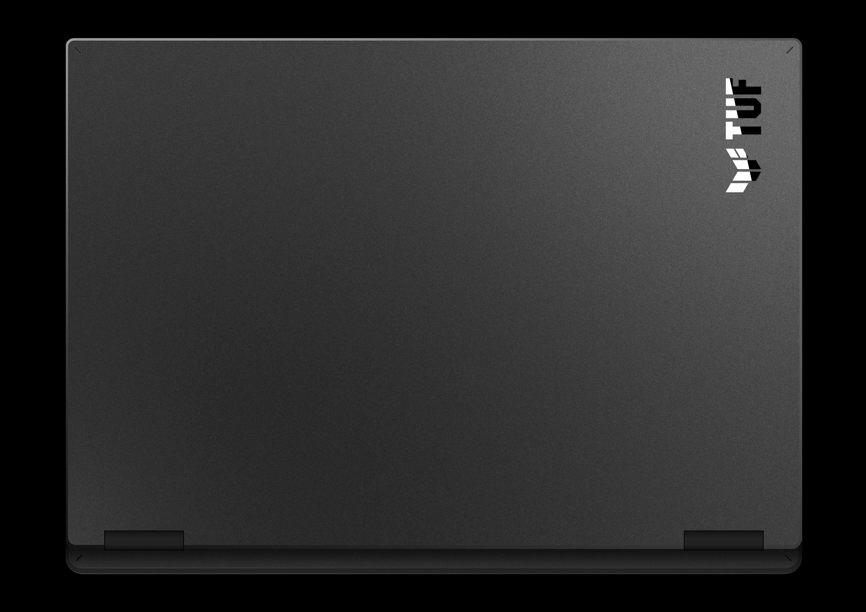

Part No | 90NR0QV1-M00380
Sales Model Name | FX610JP-TU003
EAN Code | 4711636761703
UPC Code | 199291761704
WEEE | 2.863
BASE UNIT | VSNR0QV1-BU2000

Marketing Name | ASUS TUF Gaming 16
Operating System | No preinstalled OS
Exclusive subscription offers | 3-Month Google AI Pro Subscription 6-Month Dropbox 500GB Subscription 1-Year ASUS Secure Auto-Backup 200GB Subscription *Available in eligible markets only. Eligibility varies by region, device, and time. Terms and conditions apply. See promotion pages for details.
Color | Off Black
Top case-material | IMR
LCD cover-material | Texture plastic
Bottom case-material | Texture plastic
Dimension (W x D x H) | 35.7 x 25.9 x 1.94 ~ 2.69 cm (14.06" x 10.20" x 0.76" ~ 1.06")
Weight | 2.20 Kg (4.85 lbs)
Processor | Intel® Core™ i7 Processor 14650HX 2.2 GHz (30MB Cache, up to 5.2 GHz, 16 cores, 24 Threads)
Chipset | Mobile Intel® HM770 Express Chipsets
Intergrated GPU | Intel® Graphics
Discrete/Optimus | MSHybrid
Graphic | NVIDIA® GeForce RTX™ 5070 Laptop GPU
Graphic Wattage | 85W (70W+15W)
Graphic Memory | 8GB GDDR7
Panel Size | 16-inch
Resolution | FHD+ 16:10 (1920 x 1200, WUXGA)
Refresh Rate | 144Hz
Viewing Angle | 85/85/85/85
Panel Tech | IPS-level
Brightness | 300nits
Contrast Ratio | 1200:1
SRGB % | 100%
Surface texture of display | Anti-glare(AG) display
Adaptive-Sync technology | N/A
Pantone | N/A
Support Dolby Vision HDR | N/A
On board memory | N/A
DIMM Memory | 16GB DDR5-5600 SO-DIMM The memory speed of the systems vary by CPU SPEC
Total System Memory | DDR5 16GB
Memory Slot | 2x SO-DIMM slots
Memory Max. | 64GB
Multi-channel memory technology | Support dual channel memory technology
Storage | 512GB PCIe® 4.0 NVMe™ M.2 SSD
M.2 slots support either SATA or NVMe | 2
M.2 SSD Support List | M.2 512GB PCIe SSD M.2 1TB PCIe SSD
Expansion Slot (includes used) | 2x DDR5 SO-DIMM slots 2x M.2 PCIe
LAN | 10/100/1000 Mbps
Wireless | Wi-Fi 6(802.11ax) (Dual band) 2*2 + Bluetooth® 5.4 Wireless Card (*Bluetooth® version may change with OS version different.)
I/O Ports | 1x USB 3.2 Gen 2 Type-C with support for DisplayPort™ / power delivery (data speed up to 10Gbps) 1x RJ45 LAN port 2x USB 3.2 Gen 1 Type-A (data speed up to 5Gbps) 1x USB 2.0 Type-A (data speed up to 480Mbps)
Display output | 1x HDMI 2.1 FRL
Camera | 720P HD camera
Mic | Built-in array microphone
Keyboard Type | Backlit Chiclet Keyboard 1-Zone RGB With Copilot key *Copilot in Windows (in preview) is rolling out gradually within the latest update to Windows 11 in select global markets. Timing of availability varies by device and market. Learn more: https://www.microsoft.com/en-us/windows/copilot-ai-features?r=1#faq
Aura Sync | Yes
Touchpad | Touchpad N/A
Speakers | 2-speaker system
Audio | 1x 3.5mm Combo Audio Jack Built-in array microphone
Audio Tech | Hi-Res certification (for headphone) Support Microsoft Cortana near field/far field (Microsoft service suspended in spring of 2023.) AI noise-canceling technology
Security | BIOS Administrator Password and User Password Protection Trusted Platform Module (Firmware TPM)
Battery | 63WHrs, 4S1P, 4-cell Li-ion
Fast charging | Recharge from 0-50% in 30 minutes
Charger included | Included
Power | Rectangle Conn, 150W AC Adapter, Output: 20V DC, 7.5A, 150W, Input: 100~240V AC, 50/60Hz universal
Required charging power | Min: 45W Max: 100W *The indicated wattage is for demonstrating the system’s support capability as required by EU regulations. For optimal system performance, please use the standard-wattage adapter or higher.
Ecolabels & Compliances | N/A
Reparability Index (for France) | 9.9

