Specification
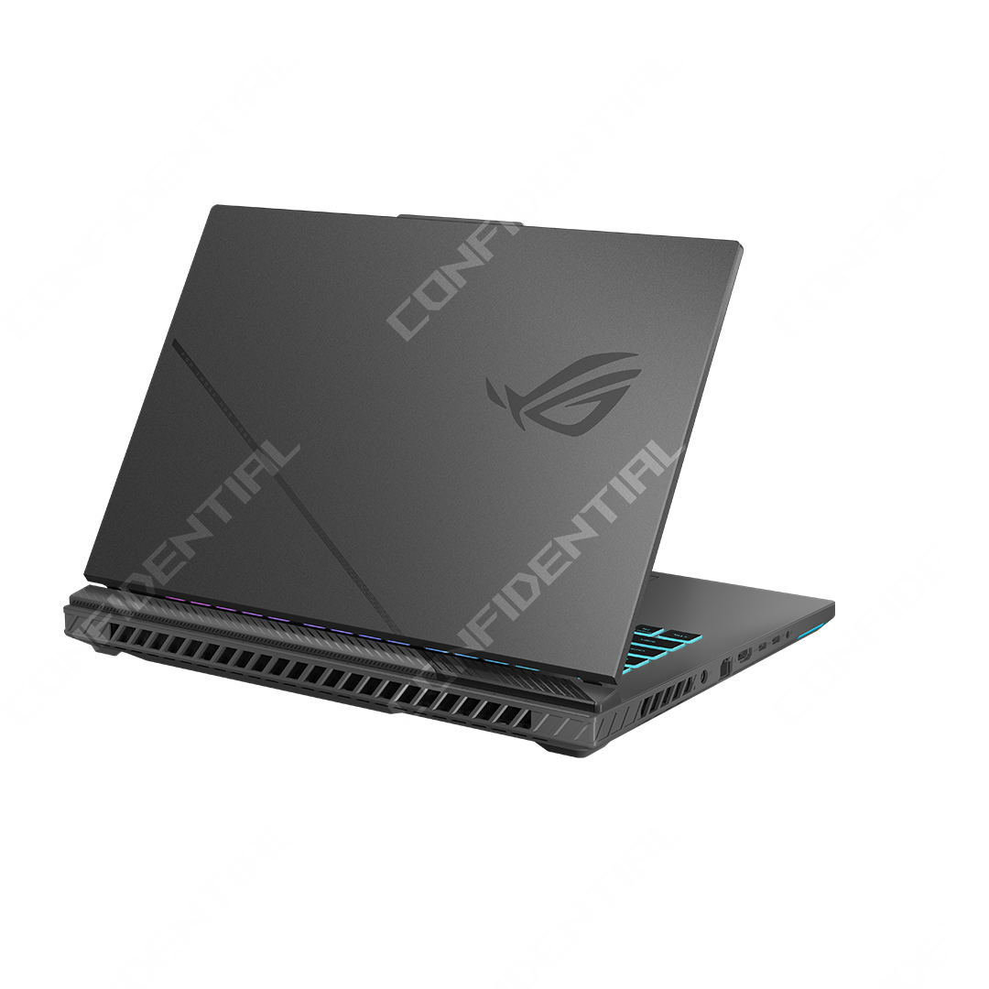

Part No | 90NR0NJ7-M00CE0
Sales Model Name | G614PR-TS193
EAN Code | 4711636722452
UPC Code | 199291722453
WEEE | 3.223
BASE UNIT | VSNR0NJ7-BU5011

Marketing Name | ROG Strix G16
Operating System | No preinstalled OS
Exclusive subscription offers | 3-Month Google AI Plus Subscription 6-Month Dropbox 500GB Subscription 1-Year ASUS Secure Auto-Backup 200GB Subscription *Available in eligible markets only. Eligibility varies by region, device, and time. Terms and conditions apply. See promotion pages for details.
Color | Eclipse Gray
Top case-material | Aluminum
LCD cover-material | Texture plastic
Bottom case-material | Texture plastic
Dimension (W x D x H) | 35.4 x 26.4 x 2.26 ~ 3.04 cm (13.94" x 10.39" x 0.89" ~ 1.20")
Weight | 2.50 Kg (5.51 lbs)
Processor | AMD Ryzen™ 9 8940HX Processor 2.4GHz (80MB Cache, up to 5.3GHz, 16 cores, 32 Threads)
Chipset | N/A
Intergrated GPU | AMD Radeon™ Graphics
Discrete/Optimus | MUX Switch + NVIDIA® Advanced Optimus
Graphic | NVIDIA® GeForce RTX™ 5070 Ti Laptop GPU
Graphic Wattage | ROG Boost: 1565MHz* at 140W (1515MHz Boost Clock+50MHz OC, 115W+25W Dynamic Boost)
Graphic Memory | 12GB GDDR7
Panel Size | 16-inch
Resolution | 2.5K (2560 x 1600, WQXGA) 16:10 aspect ratio
Refresh Rate | 300Hz
Response Time (G2G) | 3ms
Viewing Angle | 170
Panel Tech | IPS-level
Brightness | 500nits
Contrast Ratio | 1700:1
DCI-P3 % | 100%
Surface texture of display | Anti-glare(AG) display
Adaptive-Sync technology | G-Sync
Pantone | Pantone Validated
Nebula Display | ROG Nebula Display
Support Dolby Vision HDR | Yes
Thermal Feature | ROG intelligent cooling
On board memory | N/A
DIMM Memory | 16GB DDR5-5200 SO-DIMM The memory speed of the systems vary by CPU SPEC
Total System Memory | DDR5 16GB
Memory Slot | 2x SO-DIMM slots
Memory Max. | 64GB
Storage | 1TB PCIe® 4.0 NVMe™ M.2 SSD
M.2 slots support either SATA or NVMe | 2
M.2 SSD Support List | 1TB /2TB G4x4 Value PCIe SSD
Expansion Slot (includes used) | 2x DDR5 SO-DIMM slots 2x M.2 PCIe
LAN | 10/100/1000 Mbps
Wireless | Wi-Fi 6E(802.11ax) (Triple band) 2*2 + Bluetooth® 5.3 Wireless Card (*Bluetooth® version may change with OS version different.)
I/O Ports | 1x Type-C USB 4 with support for DisplayPort™ / power delivery / G-SYNC (data speed up to 40Gbps) 1x Type-C USB 4 with support for DisplayPort™ / G-SYNC (data speed up to 40Gbps) 1x RJ45 LAN port 2x USB 3.2 Gen 2 Type-A (data speed up to 10Gbps)
Display output | 1x HDMI 2.1 FRL
Camera | 1080P FHD camera
Mic | Built-in array microphone
Keyboard Type | Backlit Chiclet Keyboard Per-Key RGB With Copilot key *Copilot in Windows (in preview) is rolling out gradually within the latest update to Windows 11 in select global markets. Timing of availability varies by device and market. Learn more: https://www.microsoft.com/en-us/windows/copilot-ai-features?r=1#faq
Aura Sync | Yes
Touchpad | Touchpad Support NumberPad
Speakers | 2-speaker system with Smart Amplifier Technology
Audio | 1x 3.5mm Combo Audio Jack Built-in array microphone
Audio Tech | Dolby Atmos Hi-Res certification (for headphone) Smart Amp Technology AI noise-canceling technology
Security | BIOS Administrator Password and User Password Protection Trusted Platform Module (Firmware TPM)
Battery | 90WHrs, 4S1P, 4-cell Li-ion
Fast charging | Recharge from 0-50% in 30 minutes
Charger included | Included
Power | ø6.0, 280W AC Adapter, Output: 20V DC, 14A, 280W, Input: 100~240C AC 50/60Hz universal
Required charging power | Min: 45W Max: 100W *The indicated wattage is for demonstrating the system’s support capability as required by EU regulations. For optimal system performance, please use the standard-wattage adapter or higher.
Included in the Box | TYPE-C, 100W AC Adapter, Output: 20V DC, 5A, 100W, Input: 100~240V AC 50/60Hz universal
Ecolabels & Compliances | N/A
Reparability Index (for France) | 9.9
Reparability Index (for BNL) | 9.5

