Specification
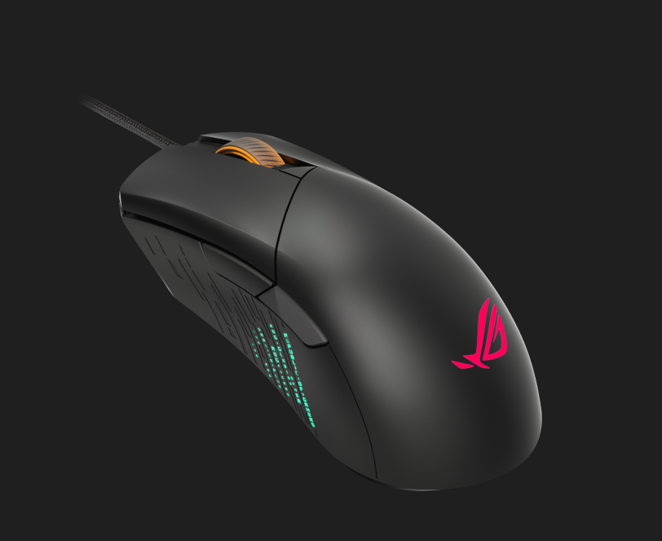
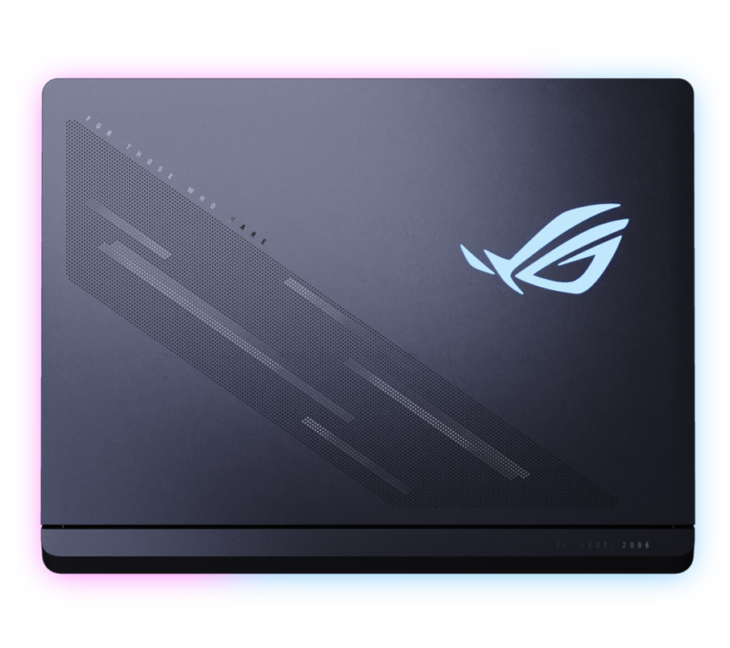

Part No | 90NR0LF1-M00UM0
Sales Model Name | G835LXG-TQ571X
EAN Code | 4711636594226
UPC Code | 199291594227
WEEE | 4.429
BASE UNIT | VSNR0LF1-BU4000

Marketing Name | ROG Strix SCAR 18
Operating System | Windows 11 Pro
Office | 1-month trial for new Microsoft 365 customers. Credit card required.
Exclusive subscription offers | 3-Month Google AI Pro Subscription 6-Month Dropbox 500GB Subscription 1-Year ASUS Secure Auto-Backup 200GB Subscription *Available in eligible markets only. Eligibility varies by region, device, and time. Terms and conditions apply. See promotion pages for details.
Color | Off Black
Top case-material | Aluminum
LCD cover-material | Texture plastic
Bottom case-material | Texture plastic
Dimension (W x D x H) | 39.9 x 29.8 x 2.35 ~ 3.50 cm (15.71" x 11.73" x 0.93" ~ 1.38")
Weight | 3.73 Kg (8.22 lbs)
Processor | Intel® Core™ Ultra 9 Processor 290HX Plus 2.7 GHz (36MB Cache, up to 5.5 GHz, 24 cores, 24 Threads); Intel® AI Boost NPU up to 13TOPS
Chipset | Mobile Intel® HM870 Express Chipsets
Intergrated GPU | Intel® UHD Graphics
Discrete/Optimus | MUX Switch + NVIDIA® Advanced Optimus
Graphic | NVIDIA® GeForce RTX™ 5090 Laptop GPU
Graphic Wattage | ROG Boost: 1647MHz* at 175W (1597MHz Boost Clock+50MHz OC, 150W+25W Dynamic Boost)
Graphic Memory | 24GB GDDR7
Neural Processor | Intel® AI Boost NPU up to 13TOPS
Panel Size | 18-inch
Resolution | 4K (3840 x 2400, WQUXGA) 16:10 aspect ratio
Refresh Rate | 240Hz Default refresh rate is 120Hz in Standard, Eco, and Optimized GPU modes. To enable 240Hz, open Armoury Crate and set the GPU mode to Ultimate.
Viewing Angle | 85/85/85/85
Panel Tech | Mini LED
Brightness | 1600nits (OPR3%)
Contrast Ratio | 100000:1
DCI-P3 % | 100%
Surface texture of display | Anti-glare and low-reflection(AGLR) display
Adaptive-Sync technology | G-Sync
Pantone | Pantone Validated
Nebula Display | ROG Nebula HDR Display
Support Dolby Vision HDR | Yes
Thermal Feature | ROG intelligent cooling
On board memory | N/A
DIMM Memory | 32GB DDR5-6400 SO-DIMM The memory speed of the systems vary by CPU SPEC
Total System Memory | DDR5 32GB
Memory Slot | 2x SO-DIMM slots
Memory Max. | 128GB
Multi-channel memory technology | Support dual channel memory technology
Storage | 1TB PCIe® 4.0 NVMe™ M.2 Performance SSD
M.2 slots support either SATA or NVMe | 2
M.2 SSD Support List | 1TB/2TB G4x4 PCIe SSD 4TB G5x4 PCIe SSD
Expansion Slot (includes used) | 2x DDR5 SO-DIMM slots 2x M.2 PCIe
LAN | 10/100/1000/2500 Mbps
Wireless | Wi-Fi 7(802.11be) (Triple band) 2*2+Bluetooth® 5.4 Wireless Card (*Bluetooth® version may change with OS version different.)
I/O Ports | 3x USB 3.2 Gen 2 Type-A (data speed up to 10Gbps) 2x Thunderbolt™ 5 with support for DisplayPort™ / power delivery / G-SYNC (data speed up to 120Gbps) 1x 2.5G LAN port
Display output | 1x HDMI 2.1 FRL
Camera | 1080P FHD IR Camera for Windows Hello
Mic | Built-in array microphone
Keyboard Type | Backlit Chiclet Keyboard Per-Key RGB With Copilot key *Copilot in Windows (in preview) is rolling out gradually within the latest update to Windows 11 in select global markets. Timing of availability varies by device and market. Learn more: https://www.microsoft.com/en-us/windows/copilot-ai-features?r=1#faq
Aura Sync | Yes
Touchpad | Touchpad N/A
Speakers | 4-speaker system with Smart Amplifier Technology
Audio | 1x 3.5mm Combo Audio Jack Built-in array microphone
Audio Tech | Smart Amp Technology Hi-Res certification (for headphone) AI noise-canceling technology Dolby Atmos
Security | BIOS Administrator Password and User Password Protection Trusted Platform Module (Firmware TPM)
Antivirus | McAfee® 30 days free trial
Battery | 90WHrs, 4S1P, 4-cell Li-ion
Fast charging | Recharge from 0-50% in 30 minutes
Charger included | Included
Power | Rectangle Conn, 450W AC Adapter, Output: 21V DC, 21.45A, 450W, Input: 100-240V AC, 50/60Hz universal
Required charging power | Min: 45W Max: 100W
Xbox Game Pass | XBOX Game Pass for PC_3 months (*Terms and exclusions apply. Offer only available in eligible markets for XBOX Game Pass for PC. Eligible markets are determined at activation. Game catalog varies by region, device, and time.)
Included in the Box | ROG Gladius III Mouse P514 TYPE-C, 100W AC Adapter, Output: 20V DC, 5A, 100W, Input: 100~240V AC 50/60Hz universal ROG backpack
Ecolabels & Compliances | N/A
Reparability Index (for France) | 9.9
Reparability Index (for BNL) | 9.7

