Specification
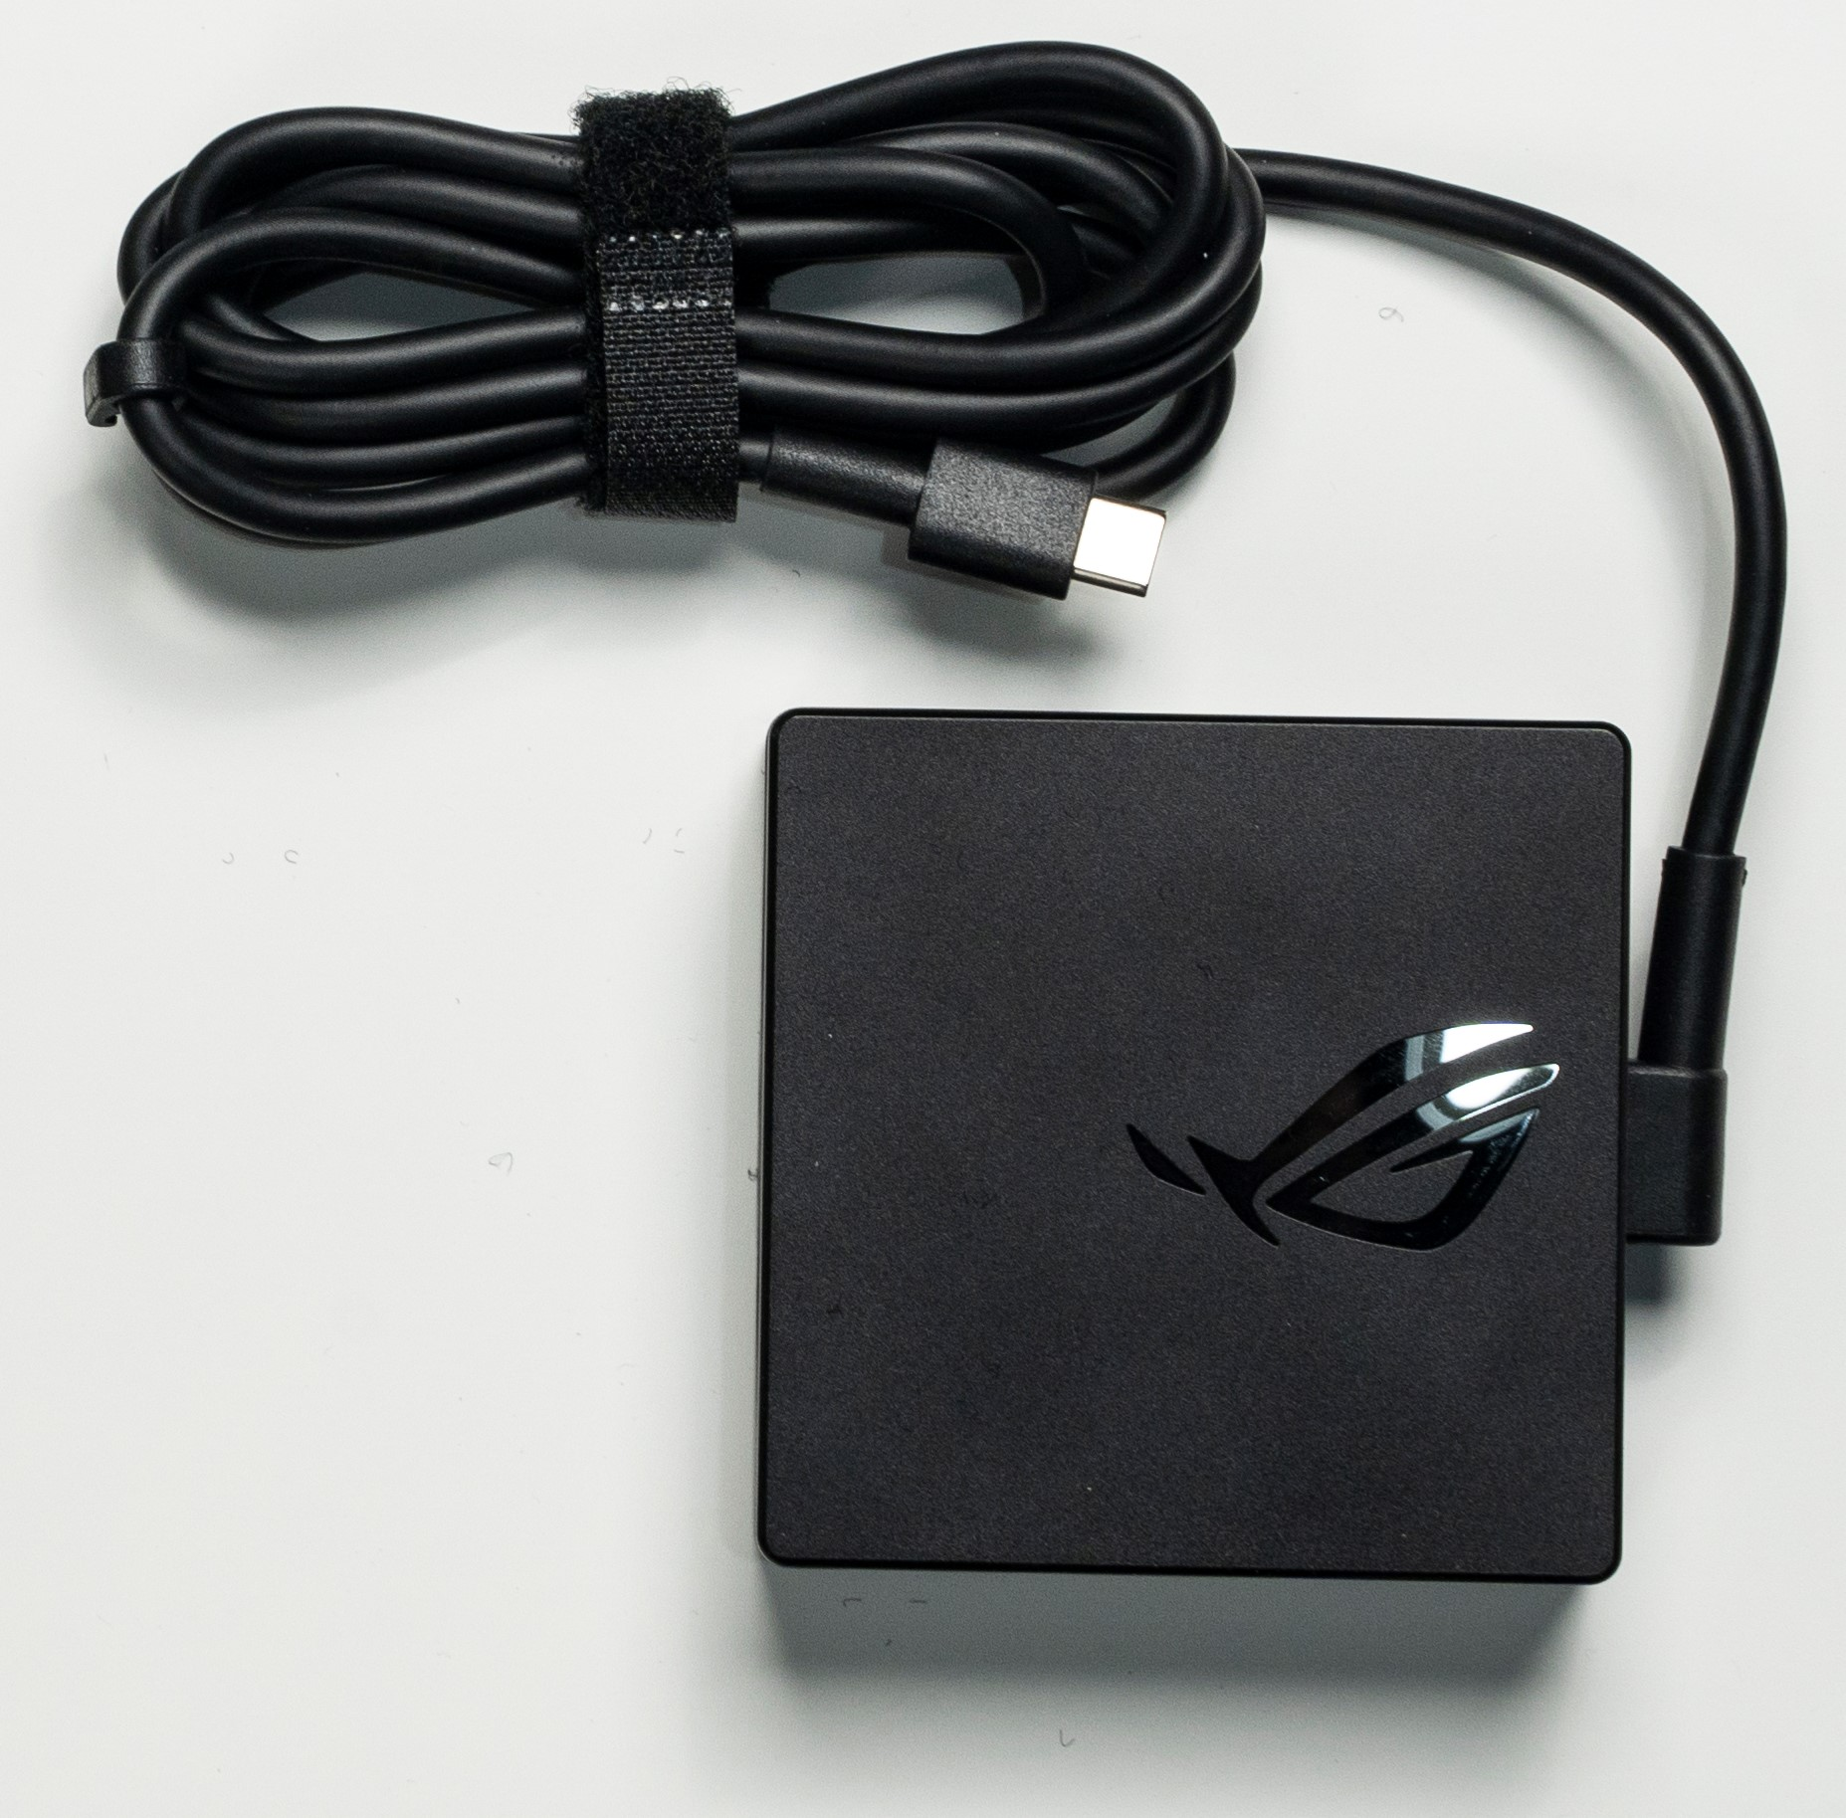
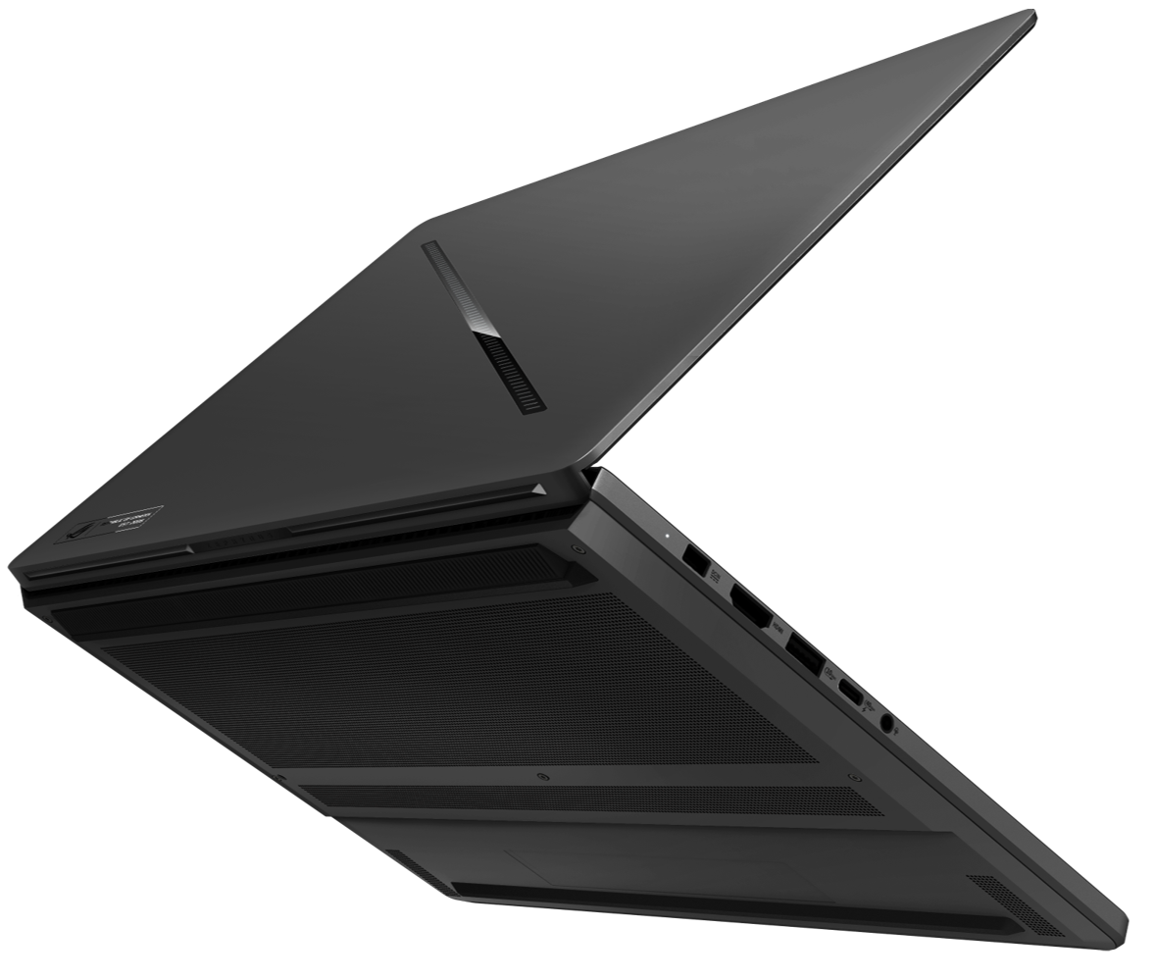

Part No | 90NR0PC2-M00670
Sales Model Name | GU606AR-TB064W
EAN Code | 4711636621311
UPC Code | 199291621312
WEEE | 2.346
BASE UNIT | VSNR0PC2-BU1000

Marketing Name | ROG Zephyrus G16
Operating System | Windows 11 Home
Office | 1-month trial for new Microsoft 365 customers. Credit card required.
Color | Eclipse Gray
Top case-material | Aluminum
LCD cover-material | Texture plastic
Bottom case-material | Aluminum
Dimension (W x D x H) | 35.4 x 24.6 x 1.49 ~ 1.79 cm (13.94" x 9.69" x 0.59" ~ 0.70")
Weight | 1.95 Kg (4.30 lbs)
Processor | Intel® Core™ Ultra 9 Processor 386H 2.1 GHz (18MB Cache, up to 4.9 GHz, 16 cores, 16 Threads); Intel® NPU up to 50TOPS
Chipset | N/A
Intergrated GPU | Intel® Graphics
Discrete/Optimus | MUX Switch + NVIDIA® Advanced Optimus
Graphic | NVIDIA® GeForce RTX™ 5070 Ti Laptop GPU
Graphic Wattage | ROG Boost: Turbo mode: 1497MHz at 125W* (1447MHz Boost Clock+50MHz OC, 105W+20W Dynamic Boost) Manaul mode: 1497MHz at 140W* (1447MHz Boost Clock+50MHz OC, 115W+25W Dynamic Boost)
Graphic Memory | 12GB GDDR7
Neural Processor | Intel® NPU up to 50TOPS
Panel Size | 16-inch
Resolution | 2.5K (2560 x 1600, WQXGA) OLED 16:10 aspect ratio
Refresh Rate | 240Hz
Viewing Angle | 89/89/89/89
Panel Tech | OLED
Brightness | 1100 nits (Peak)
Contrast Ratio | 1,000,000:1
Surface texture of display | Anti-reflection(AR) display
Adaptive-Sync technology | G-Sync
Pantone | Pantone Validated
Nebula Display | ROG Nebula HDR Display
Support Dolby Vision HDR | Yes
On board memory | 32GB LPDDR5X 8533 on board(Actual memory speeds may vary by CPU configuration.)
Total System Memory | LPDDR5X 32GB
Memory Slot | No expansion possible
Memory Max. | 32GB
Multi-channel memory technology | Support dual channel memory technology
Storage | 1TB PCIe® 4.0 NVMe™ M.2 SSD
M.2 slots support either SATA or NVMe | 2
M.2 SSD Support List | 1TB M.2 NVMe™ PCIe® G5x4 Performance SSD (ACC only) 2TB M.2 NVMe™ PCIe® G5x4 Performance SSD (ACC only) 1TB M.2 NVMe™ PCIe® G4x4 Value SSD 2TB M.2 NVMe™ PCIe® G4x4 Value SSD
Expansion Slot (includes used) | 2x M.2 PCIe
LAN | N/A
Wireless | Wi-Fi 7(802.11be) (Triple band) 2*2 + Bluetooth® 6.0 Wireless Card (*Bluetooth® version may change with OS version different.)
I/O Ports | 1x Thunderbolt™ 4 with support for DisplayPort™ / power delivery (data speed up to 40Gbps) 2x USB 3.2 Gen 2 Type-A (data speed up to 10Gbps) 1x USB 3.2 Gen 2 Type-C with support for DisplayPort™ / power delivery / G-SYNC (data speed up to 10Gbps) 1x card reader (SD) (UHS-II, 312MB/s)
Display output | 1x HDMI 2.1 FRL
Camera | 1080P FHD IR Camera for Windows Hello
Mic | Built-in array microphone
Keyboard Type | Backlit Chiclet Keyboard 1-Zone RGB With Copilot key *Copilot in Windows (in preview) is rolling out gradually within the latest update to Windows 11 in select global markets. Timing of availability varies by device and market. Learn more: https://www.microsoft.com/en-us/windows/copilot-ai-features?r=1#faq
Aura Sync | N/A
Touchpad | Touchpad N/A
Speakers | 4-speaker (dual-force woofer) system with Smart Amplifier Technology, 2 Tweeters
Audio | 1x 3.5mm Combo Audio Jack Built-in array microphone
Audio Tech | AI noise-canceling technology Dolby Atmos Smart Amp Technology
Security | Secured-core PC (Level 3) Pluton Security Processor BIOS Administrator Password and User Password Protection
Antivirus | McAfee® 30 days free trial
Battery | 90WHrs, 4S1P, 4-cell Li-ion
Fast charging | Recharge from 0-50% in 30 minutes
Charger included | Included
Power | Rectangle Conn, 250W AC Adapter, Output: 20V DC, 12.5A, 250W, Input: 100-240V AC, 50/60Hz universal
Required charging power | Min: 45W Max: 100W *The indicated wattage is for demonstrating the system’s support capability as required by EU regulations. For optimal system performance, please use the standard-wattage adapter or higher.
Xbox Game Pass | Xbox Game Pass for PC_3 months (*Terms and exclusions apply. Offer only available in eligible markets for Xbox Game Pass for PC. Eligible markets are determined at activation. Game catalog varies by region, device, and time.)
Included in the Box | TYPE-C, 100W AC Adapter, Output: 20V DC, 5A, 100W, Input: 100~240V AC 50/60Hz universal ROG Zephyrus G16 Sleeve (2026)
Ecolabels & Compliances | N/A
Reparability Index (for France) | 9.5

