Specification
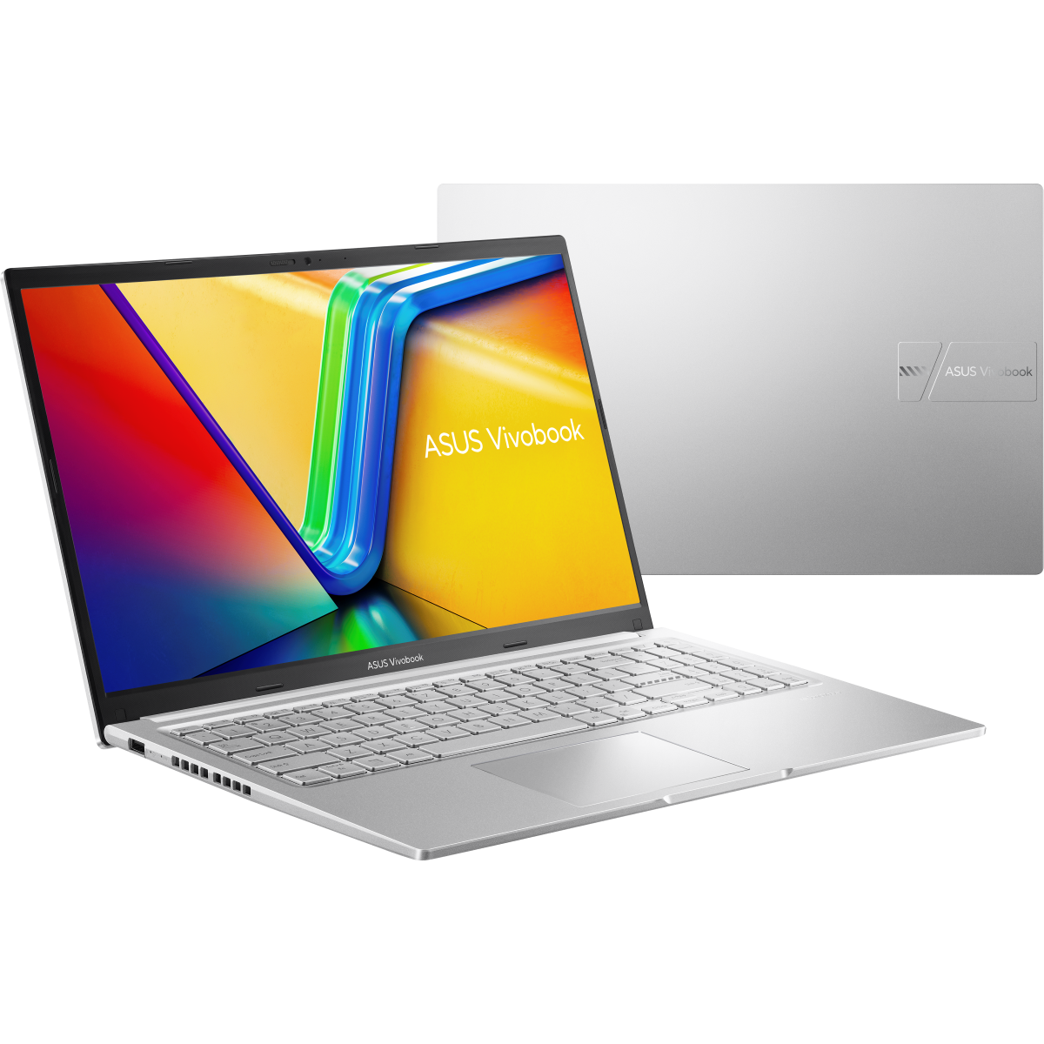

Part No | 90NB1842-M00KB0
Sales Model Name | M1502NAQ-BQ053
EAN Code | 4711636533928
UPC Code | 199291533929
WEEE | 1.32
BASE UNIT | VSNB1842-BU1001

Marketing Name | ASUS Vivobook 15
Operating System | No preinstalled OS
LCD cover-material | Plastic
LCD cover-color | Cool Silver
Top case-material | Plastic
Top case-color | Cool Silver
Keyboard color | Silver
Bottom case-material | Plastic
Bottom case-color | Cool Silver
Military grade | US MIL-STD 810H military-grade standard
Touch Panel | Non-touch screen
Panel Size | 15.6-inch
Resolution | FHD (1920 x 1080) 16:9 aspect ratio
LED Backlit Unit | LED Backlit
IPS-level | IPS-level Panel
Refresh rate | 60Hz
Brightness | 250nits
Color gamut | 45% NTSC color gamut
Surface texture of display | Anti-glare(AG) display
Screen-to-body ratio | 82%
Processor | AMD Ryzen™ 7 170 Processor 3.2GHz (20MB Cache, up to 4.75 GHz, 8 cores, 16 Threads)
Chipset | N/A
Discrete/Share | Share
Intergrated GPU | AMD Radeon™ Graphics
Expansion Slot(includes used) | 1x DDR5 SO-DIMM slot 1x M.2 2280 PCIe 4.0x4
On board memory | 8GB DDR5 on board
DIMM Memory | 16GB DDR5 SO-DIMM
Total System Memory | DDR5 24GB
Disclaimer for memory | *Dual-channel memory support requires at least one SO-DIMM module.
How to upgrade memory | Upgradable; Need to remove bottom/top case
Storage | 512GB M.2 NVMe™ PCIe® 4.0 SSD
Front-facing camera | 720p HD camera ; With privacy shutter
Wireless | Wi-Fi 6(802.11ax) (Dual band) 2*2 + Bluetooth® 5.4 Wireless Card (*Bluetooth® version may change with OS version different.)
Keyboard type | Backlit Chiclet Keyboard with Num-key
Touchpad | Precision touchpad
FingerPrint | N/A
I/O ports | 1x USB 2.0 Type-A (data speed up to 480Mbps) 1x USB 3.2 Gen 1 Type-C (data speed up to 5Gbps) 1x USB 3.2 Gen 1 Type-C with support for power delivery (data speed up to 5Gbps) 2x USB 3.2 Gen 1 Type-A (data speed up to 5Gbps) 1x HDMI 1.4 1x 3.5mm Combo Audio Jack
Audio | SonicMaster Built-in speaker Built-in array microphone
Voice control | with Cortana voice-recognition support
Charger included | Included
Power | TYPE-C, 68W AC Adapter, Output: 20V DC, 3.4A, 68W, Input: 100~240V AC 50/60Hz universal
Required charging power | Min: 45W Max: 68W
Battery | 42WHrs, 3S1P, 3-cell Li-ion
Replaceable Battery | No
Weight (with Battery) | 1.70 kg (3.75 lbs)
Weight (without Battery) | 1.53 kg (3.37 lbs)
Dimension (W x H x D) | 35.97 x 23.25 x 1.99 ~ 1.99 cm (14.16" x 9.15" x 0.78" ~ 0.78")
Built-in Apps | MyASUS ScreenXpert GlideX
MyASUS feature | System diagnosis Battery health charging Fan Profile Splendid Function key lock WiFi SmartConnect TaskFirst Live update AI Noise Canceling
Exclusive subscription offers | 3-Month GoPro Premium+ Subscription 1-Month Membership of Adobe Creative Cloud All Apps, Individual. The redemption duration from September 15, 2021 to August 31, 2026. N/A 6-Month Dropbox 500GB Subscription 1-Year ASUS Secure Auto-Backup 200GB Subscription *Available in eligible markets only. Eligibility varies by region, device, and time. Terms and conditions apply. See promotion pages for details.
Security | McAfee® BIOS setup user password BIOS Booting User Password Protection Trusted Platform Module (Firmware TPM)
Ecolabels & Compliances | EPEAT Silver Energy star RoHS REACH
Reparability Index (for France) | 9.5

