Specification
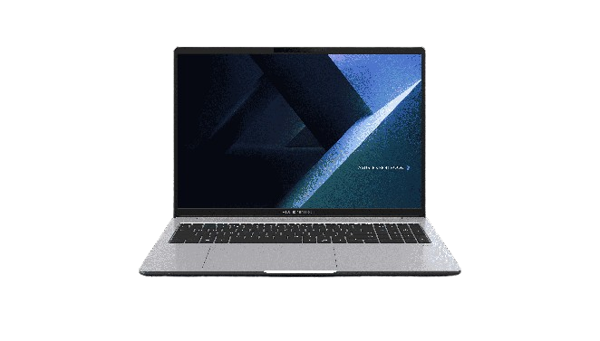

Part No | 90NX0AL2-M00A00
Sales Model Name | P3606CCA-MB0288
EAN Code
UPC Code
WEEE
BASE UNIT | VSNX0AL2-BU1012

Operating System | Non-preinstalled OS
LCD cover-material | Aluminum
LCD cover-color | Misty Grey
Top case-material | Plastic
Top case-color | Misty Grey
Bottom case-material | Plastic
Bottom case-color | Misty Grey
Military grade | US MIL-STD 810H military-grade standard
Panel Size | 16.0-inch
Backlit | LED Backlit
Brightness | 300nits
Resolution | WUXGA (1920 x 1200) 16:10
Glare | Anti-glare display
Color gamut | NTSC: 45%
View angle(H/V) | 160/160
Response time(Typ/Max) (ms) | 20/25
Refresh rate | 60Hz
Contrast (Typ) | 1000:1
Touch Panel | Non-touch screen
Screen-to-body ratio | 90 %
IPS-level | Wide view
Processor | Intel® Core™ Ultra 7 Processor 255H 2.0 GHz (24MB Cache, up to 5.1 GHz, 16 cores, 16 Threads); Intel® AI Boost NPU up to 13 TOPS
Neural processor | Intel® AI Boost NPU
Chipset | N/A
Discrete/Share | Share
Integrated GPU | Intel® Graphics
VRAM | N/A
How to upgrade memory | Upgradable; Need to remove bottom/top case
Expansion Slot(includes used) | 2x DDR5 SO-DIMM slots 1x M.2 2230 PCIe 4.0x4 1x M.2 2280 PCle 4.0/5.0x4
DIMM Memory | 32GB DDR5 SO-DIMM
Total System Memory | DDR5 32GB
Storage | 1TB M.2 2280 NVMe™ PCIe® 4.0 SSD
Front-facing camera | 1080p FHD camera with IR function to support Windows Hello With privacy shutter
Wireless | Wi-Fi 7(802.11be) (Triple band) 2*2 + Bluetooth® 5.4 Wireless Card
NumberPad | N/A
FingerPrint | FingerPrint
Keyboard type | Backlit Chiclet Keyboard
I/O ports | 1x USB 3.2 Gen 2 Type-C support display / power delivery 2x USB 3.2 Gen 1 Type-A 1x Thunderbolt™ 4, compliant with USB4, support display / power delivery 1x HDMI 2.1 1x 3.5mm Combo Audio Jack 1x RJ45 Gigabit Ethernet
Audio | Audio by Dirac Built-in speaker Built-in array microphone
Battery | 70WHrs, 4S1P, 4-cell Li-ion
AC Adapter | TYPE-C, 65W AC Adapter, Output: 20V DC, 3.25A, 65W, Input: 100~240V AC 50/60Hz universal (Adapter+power cord)
Required charging power | Min: 55W Max: 65W *The indicated wattage is for demonstrating the system’s support capability as required by EU regulations. For optimal system performance, please use the standard-wattage adapter or higher.
Dimension (WxHxD) | 35.93 x 25.35 x 1.07 ~ 1.89 cm (14.15" x 9.98" x 0.42" ~ 0.74")
Weight (with Battery) | 1.98 kg (4.37 lbs)
Weight (w/o Battery) | 1.72 kg (3.79 lbs)
Security | Fingerprint sensor integrated with Power Key IR webcam with Windows Hello support Kensington Nano Security Slot™(6x 2.5mm) BIOS Booting User Password Protection BIOS Integrity Measurement Support BIOS Self Recovery BIOS setup user password CSME BIOS Redundancy Assistance Enhanced Password Strength HDD User Password Protection and Security Intel CSME Firmware Resilience Intel® BIOS Guard Intel® Boot Guard Microsoft Security Level 3 Support Absolute Persistence 2.0 (Computrace) Trusted Platform Module (TPM) 2.0 N/A
MyASUS feature | System diagnosis Battery health charging Fan Profile Splendid Tru2Life Function key lock WiFi SmartConnect AppDeals
MyExpert Features | Chat Knowledge Hub Advanced Tool ExpertMeet(All) File Search SafeGuard Backup(Dual SSD, additional purchase before shipment)
Built-in Apps | ASUS MyExpert (Not supported in China, 16GB RAM or higher) AI ExpertMeet (China only) MyASUS
Disclaimer for Built-in Apps | Built-in Apps vary from OS SKU. *MyASUS/McAfee don't support in Pure OS/without OS/G sku/Win SE/Windows on ARM/Linux OS (ex. Endless, Kylin, Ubuntu)
Reparability Index (for Belgium) | 00.0
Reparability Index (for France) | 00.0
Ecolabels & Compliances | FSC Recycled
Base Warranty | 1Y Carry-In
Recommended Warranty Package Part number//Extension and/or upgrade service from base warranty | *If you would like to know the details, please contact your sales teams.
Battery warranty | Commercial NB P series Battery warranty follow system warranty.
Sustainable Material_Top cover(A part) | 30% PCR recycled plastic(cover or inner frame) 30% PIR recycled aluminum
Sustainable Material_Keyboard frame (C part) | 30% PCR recycled plastic(cover or inner frame)
Sustainable Material_Bottom cover (D part) | 30% PCR recycled plastic(cover or inner frame)
Sustainable Material_Battery | 30% PCR recycled plastic
Sustainable Material_Keyboard | 50% PCR recycled plastic cap
Sustainable Material_Speaker | 45% PCR + 5% OBP PCR recycled plastic enclosure
Sustainable Material_Total PCR recycled plastic | 28.2%

