Specification
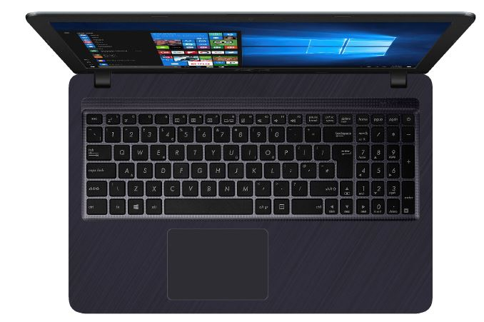

Part No | 90NB0IM7-M20940
Model Name | R543UB-DM1426T

EAN Code | 4718017434607
UPC Code | 192876434604

LCD Cover Color & Decoration | Star Gray IMR with Angle Hairline
Top Case Color & Decoration | Star Gray IMR with Angle Hairline
On board processor | Intel® Pentium® Gold 4417U processor, 2.3 GHz (2M Cache)
Operating System | Windows 10 (64bit)
Office | Includes 1 month Trial for New Microsoft Office 365 Customers
Display | 15.6'//200nits//FHD 1920x1080 16:9//Anti-Glare//NTSC: 45%
Number Pad | N/A
ScreenPad™ | N/A
Chipset | N/A
Memory Slot | 1x
Total System Memory | 4GB on board
On board memory | 4GB on board
Memory Max. | 12G
Storage | SATA 500GB 5400RPM 2.5' HDD
Expansion Slot | DDR4*1 STD 2.5” SATA HDD *1
EMMC/ISSD | N/A
External video display modes | HDMI 1.4
Discrete/Share | Discrete
Video Graphics | NVIDIA GeForce MX110
IGPU | Intel® HD graphics 620
Graphics Feature | N/A
Video memory | GDDR5 2GB
Video Camera | VGA Web Camera (Fixed type)
FingerPrint | N/A
On board Wireless | N/A
Wireless(Module) | Wi-Fi 5(802.11ac)+Bluetooth 4.1 (Dual band) 1*1
LAN | N/A
Card Reader | Type: Micro SD
USB Port | 2x USB 2.0 1x USB3.1 Type A (Gen1)
Interface | 1x Headphone-out & Audio-in Combo Jack 1x HDMI
Audio | Built-in speaker Built-in microphone Audio by ICEpower® Sonic Master
Weight (Kg) | 1.84 KG (Without Battery) 1.90 KG (with 3 cell battery)
Dimension (cm) | 38.1(W) x 25.1(D) x 2.72 ~ 2.72 (H) cm
AC Adapter | ø4.0 45W AC Adapter Output: 19V DC, 2.37A, 45W , Input: 100~240V AC 50/60Hz universal
Battery | 33WHrs, 3S1P, 3-cell Li-ion
Replaceable Battery | No
Keyboard type | Chiclet Keyboard
Keyboard Specification | ASUS 348mm keyboard with 19mm full size key pitch, integrated Numeric keypad
Software | ASUS GiftBox ASUS Smart Gesture ASUS Splendid ASUS WebStorage Sync Agent Dropbox 25 GB Evernote ICEsound KKBOX(JP/TW only) McAfee Internet Security(Trial version) Netflix (For specific region) WPS Office (NA, JP exclude)
Security | TPM (Firmware TPM) BIOS Booting User Password Protection
Supplied Accessories

