Specification
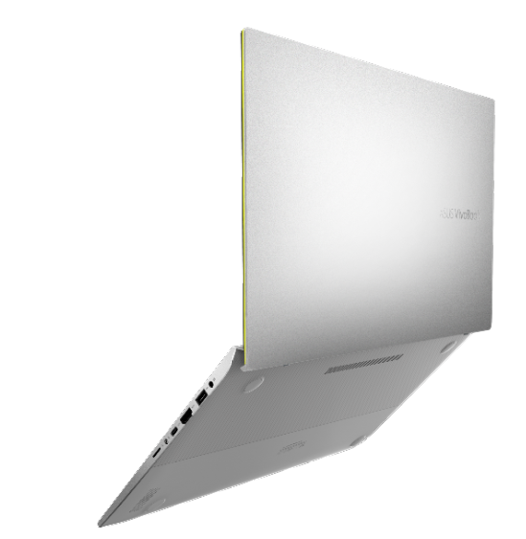

Part No | 90NB0M62-M00670
Model Name | S432FA-EB001T

EAN Code | 4718017409162
UPC Code | 192876409169

LCD Cover Color & Decoration | Transparent Silver, Metal
Top Case Color & Decoration | Silver, Metal
On board processor | Intel® Core™ i5-8265U Processor 1.6 GHz (6M Cache, up to 3.9 GHz)
Operating System | Windows 10 (64bit)
Office | Includes 1 month Trial for New Microsoft Office 365 Customers
Display | 14.0'//250nits//FHD 1920x1080 16:9//Anti-Glare//NTSC: 45%//Wide View
Number Pad | N/A
ScreenPad™ | ScreenPad™
Chipset | N/A
Memory Slot | N/A
Total System Memory | 8GB on board
On board memory | 8GB on board
Memory Max. | 8G
How to upgrade memory | Not Available
Storage | PCIEG3x2 NVME 256GB M.2 SSD
Expansion Slot | M.2 2280 PCIE G3X2 *1 M.2 2280 PCIE G3X4 *1
EMMC/ISSD | N/A
External video display modes | HDMI 1.4
Discrete/Share | Share
IGPU | Intel UHD Graphics 620
Video memory | N/A
Video Camera | HD IR/RGB Combo Camera
FingerPrint | N/A
On board Wireless | N/A
Wireless(Module) | Wi-Fi 5(802.11ac)+Bluetooth 4.2 (Dual band) 2*2
LAN | N/A
Card Reader | Type: Micro SD
USB Port | 2x USB 2.0 1x USB3.1 Type A (Gen1) 1x USB3.1 Type C (Gen 1)
Interface | 1x Headphone-out & Audio-in Combo Jack 1x HDMI
Audio | Built-in speaker Built-in array microphone Audio by ICEpower® harmon/ kardon
Weight (Kg) | 1.40 KG (Without Battery) 1.45 KG (with 3 cell battery)
Dimension (cm) | 32.2(W) x 21.1(D) x 1.80 ~ 1.80 (H) cm
AC Adapter | ø4.0 45W AC Adapter Output: 19V DC, 2.37A, 45W , Input: 100~240V AC 50/60Hz universal
Battery | 42WHrs, 3S1P, 3-cell Li-ion
Replaceable Battery | No
Keyboard type | Illuminated Chiclet Keyboard
Software | ASUS Live Update ASUS GiftBox ICEsound McAfee Internet Security(Trial version)
Security | TPM (Firmware TPM)
Supplied Accessories

