Specification
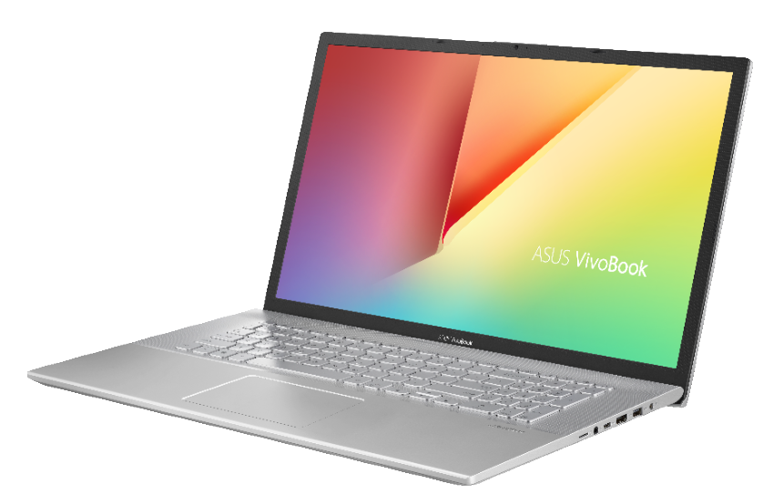

Part No | 90NB0U91-M00340
Model Name | X712EQ-AU031

EAN Code | 4711081185529
UPC Code | 195553185523

Operating System | Without OS
LCD cover-material | Plastic
LCD cover-color | Transparent Silver
Top case-material | Plastic
Top case-color | Transparent Silver
Bottom case-material | Plastic
Bottom case-color | Transparent Silver
Military grade | N/A
Panel Size | 17.3-inch
Backlit | LED Backlit
Brightness | 250nits
Resolution | FHD (1920 x 1080) 16:9
Glare | Anti-glare display
Color gamut | NTSC: 45%
Touch Panel | N/A
Pantone | N/A
IPS-level | IPS-level Panel
Processor | Intel® Core™ i3-1115G4 Processor 3.0 GHz (6M Cache, up to 4.1 GHz, 2 cores)
Chipset | N/A
Discrete/Share | Discrete
Intergrated GPU | Intel® Iris™ Plus Graphics
Graphics | NVIDIA® GeForce® MX350
VRAM | N/A
Expansion Slot(includes used) | 1x DDR4 SO-DIMM slot 1x M.2 2280 PCIe 3.0x2 1x STD 2.5” SATA HDD
Total System Memory | 8GB DDR4 on board
On board memory | 8GB DDR4 on board
Storage | 256GB M.2 NVMe™ PCIe® 3.0 SSD
Front-facing camera | 720p HD camera//Without privacy shutter
Rear-facing camera | N/A
World-facing camera | N/A
Wireless | Wi-Fi 5(802.11ac)+Bluetooth 4.1 (Dual band) 1*1
3G/4G | N/A
NumberPad | N/A
ScreenPad™ | N/A
FingerPrint | N/A
I/O ports | 1x HDMI 1.4 1x 3.5mm Combo Audio Jack 1x Headphone out N/A//2x USB 2.0 Type-A 1x USB 3.2 Gen 1 Type-A 1x USB 3.2 Gen 1 Type-C//Micro SD card reader
Audio | Built-in speaker Built-in array microphone//N/A
Voice control | N/A
AC Adapter | ø4.0, 65W AC Adapter, Output: 19V DC, 3.42A, 65W, Input: 100~240V AC 50/60Hz universal
Battery | 32WHrs, 2S1P, 2-cell Li-ion
Replaceable Battery | No
Keyboard type | Backlit Chiclet Keyboard
Dimension (WxHxD) | 40.60 x 25.60 x 2.14 ~ 2.14 cm
Weight (with Battery) | 2.30 kg
Weight (without Battery) | 2.30 kg
Security | BIOS setup user password Trusted Platform Module (Firmware TPM) BIOS Booting User Password Protection
MyASUS feature | Fan mode (All models) Function key lock (All models)
Built-in Apps | MyASUS (for all)
Included in the Box | N/A
Reparability Index (for France) | 6.7

