Specification
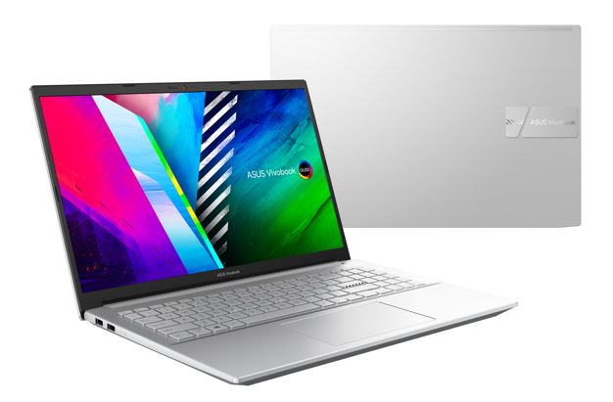

Part No | 90NB0UW1-M003F0
Model Name | K3500PC-L1195W

EAN Code | 4711081624233
UPC Code | 195553624237

Operating System | Windows 11 Home - ASUS recommends Windows 11 Pro for business
Office | 1-month trial for new Microsoft 365 customers. Credit card required.
LCD cover-material | Aluminum
LCD cover-color | Cool Silver
Top case-material | Plastic
Top case-color | Cool Silver
Bottom case-material | Plastic
Bottom case-color | Cool Silver
Military grade | N/A
Touch Panel | N/A
Panel Size | 15.6-inch
Resolution | FHD (1920 x 1080) OLED 16:9 aspect ratio
Response time | 0.2ms response time
Peak Brightness | 600nits peak brightness
Color gamut | 100% DCI-P3 color gamut
Contrast ratio | 1,000,000:1
VESA CERTIFIED Display HDR | VESA CERTIFIED Display HDR True Black 600
Color depth | 1.07 billion colors
Pantone | PANTONE Validated
Glare | Glossy display
Low blue light | 70% less harmful blue light
SGS Eye Care Display | SGS Eye Care Display
Screen-to-body ratio | 84 ％
Processor | Intel® Core™ i5-11300H Processor 3.1 GHz (8M Cache, up to 4.4 GHz, 4 cores)
Chipset | N/A
Discrete/Share | Discrete
Intergrated GPU | Intel® Iris Xe Graphics
Graphics | NVIDIA® GeForce® RTX™ 3050 Laptop GPU
VRAM | 4GB GDDR6
Expansion Slot(includes used) | N/A
Total System Memory | 16GB DDR4 on board
On board memory | 16GB DDR4 on board
Storage | 512GB M.2 NVMe™ PCIe® 3.0 SSD
Front-facing camera | 720p HD camera//With privacy shutter
Wireless | Wi-Fi 6(802.11ax)+Bluetooth 5.0 (Dual band) 2*2
ScreenPad™ | N/A
FingerPrint | N/A
I/O ports | 1x USB 3.2 Gen 1 Type-A 2x USB 2.0 Type-A 1x Thunderbolt™ 4 supports display / power delivery//1x HDMI 1.4 1x 3.5mm Combo Audio Jack 1x DC-in//Micro SD card reader
Audio | Built-in speaker Built-in array microphone//harman/kardon (Mainstream)
Voice control | with Cortana support
AC Adapter | ø4.5, 120W AC Adapter, Output: 20V DC, 6A, 120W, Input: 100~240V AC 50/60Hz universal
Battery | 63WHrs, 3S1P, 3-cell Li-ion
Replaceable Battery | No
Keyboard type | Backlit Chiclet Keyboard with Num-key
Dimension (WxHxD) | 35.98 x 23.53 x 1.89 ~ 1.99 cm
Weight (with Battery) | 1.65 kg
Weight (without Battery) | 1.60 kg
Security | BIOS Booting User Password Protection Trusted Platform Module (Firmware TPM) McAfee LiveSafe™ 30-day trial
MyASUS feature | System diagnosis Battery health charging Fan Profile Splendid Tru2Life Function key lock WiFi SmartConnect Link to MyASUS TaskFirst Live update AI Noise Canceling
Built-in Apps | MyASUS ProArt Creator Hub
Included in the Box | N/A
Reparability Index (for France) | 7.5

