Specification
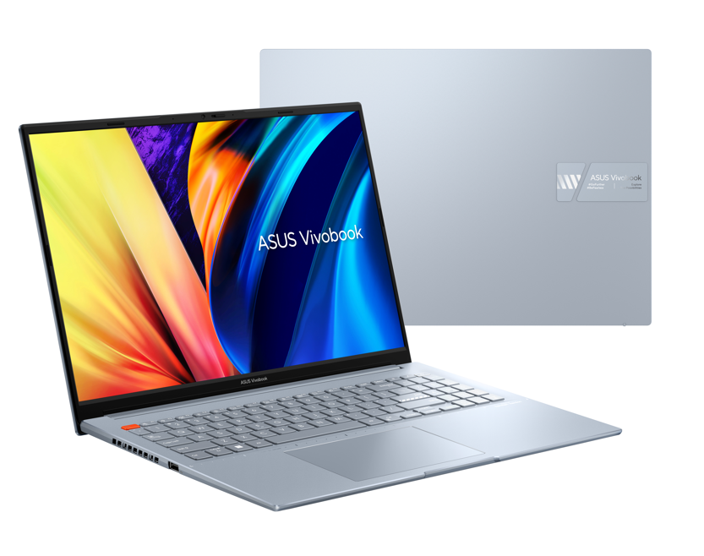

Part No | 90NB0XW3-M003V0
Model Name | M5602QA-MB096

EAN Code | 4711081905028
UPC Code | 195553905022

LCD cover-material | Aluminum
LCD cover-color | Solar Silver
Top case-material | Aluminum
Top case-color | Solar Silver
Bottom case-material | Aluminum
Bottom case-color | Solar Silver
Military grade | N/A
Touch Panel | N/A
Panel Size | 16.0-inch
Resolution | WUXGA (1920 x 1200) 16:10 aspect ratio
Backlit | LED Backlit
IPS-level | IPS-level Panel
Brightness | 300nits
Color gamut | 45% NTSC color gamut
Color depth | N/A for non-OLED
Pantone | N/A
Glare | Anti-glare display
Screen-to-body ratio | 86 ％
Processor | AMD Ryzen™ 5 5600H Mobile Processor (6-core/12-thread, 19MB cache, up to 4.2 GHz max boost)
Chipset | N/A
Discrete/Share | Share
Intergrated GPU | AMD Radeon™ Graphics
VRAM | N/A
How to upgrade memory | Upgradable Need to remove bottom/top case
Expansion Slot(includes used) | 1x DDR4 SO-DIMM slot 1x M.2 2280 PCIe 3.0x4
Total System Memory | 8GB DDR4 on board + 8GB DDR4 SO-DIMM
On board memory | 8GB DDR4 on board
DIMM Memory | 8GB DDR4 SO-DIMM
Storage | 512GB M.2 NVMe™ PCIe® 4.0 SSD
Front-facing camera | 720p HD camera With privacy shutter
Wireless | Wi-Fi 6(802.11ax) (Dual band) 2*2 + Bluetooth 5
ScreenPad™ | N/A
FingerPrint | FingerPrint
I/O ports | 1x HDMI 2.0b 1x 3.5mm Combo Audio Jack 1x USB 2.0 Type-A 1x USB 3.2 Gen 1 Type-A 2x USB 3.2 Gen 2 Type-C support display / power delivery Micro SD card reader
Audio | Smart Amp Technology Built-in speaker Built-in array microphone harman/kardon (Mainstream)
Voice control | with Cortana and Alexa voice-recognition support
AC Adapter | TYPE-C, 90W AC Adapter, Output 20V DC, 4.5A, 90W, Input: 100~240V AC 50/60Hz universal
Battery | 70WHrs, 3S1P, 3-cell Li-ion
Replaceable Battery | No
Keyboard type | Backlit Chiclet Keyboard with Num-key
Dimension (WxHxD) | 35.76 x 25.24 x 1.79 ~ 1.79 cm
Weight (with Battery) | 1.90 kg
Weight (without Battery) | 1.64 kg
Security | BIOS setup user password Trusted Platform Module (Firmware TPM) Fingerprint sensor integrated with Power Key
MyASUS feature | System diagnosis Battery health charging Fan Profile Splendid Function key lock WiFi SmartConnect Link to MyASUS TaskFirst Live update ASUS OLED Care QC fastcharge AI Noise Canceling
Built-in Apps | MyASUS
Adobe Creative Cloud Hard Bundle | One-Month Membership of Adobe Creative Cloud All Apps, Individual. The redemption duration from September 15, 2021 to November 15, 2022.
Reparability Index (for France) | 6.6

