Specification
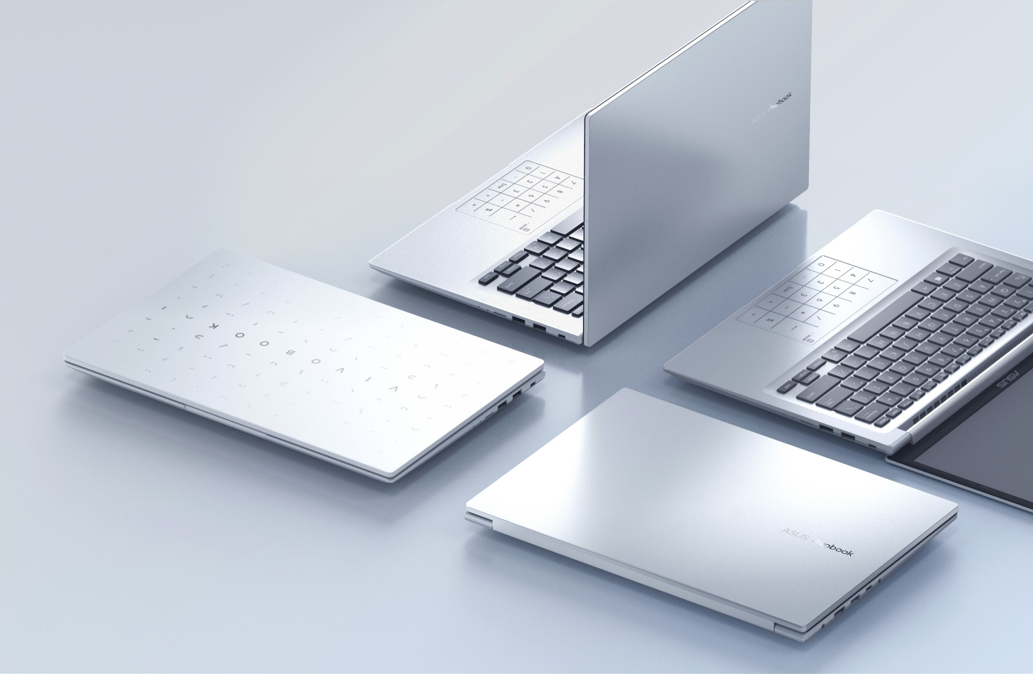

Part No | 90NB0Y62-M001D0
Model Name | M1503IA-L1037

EAN Code | 4711081962168
UPC Code | 195553962162

Operating System | No preinstalled OS
LCD cover-material | Plastic
LCD cover-color | Transparent Silver
Top case-material | Plastic
Top case-color | Transparent Silver
Bottom case-material | Plastic
Bottom case-color | Transparent Silver
Military grade | US MIL-STD 810H military-grade standard
Touch Panel | N/A
Panel Size | 15.6-inch
Resolution | FHD (1920 x 1080) OLED 16:9 aspect ratio
Response time | 0.2ms response time
Refresh rate | 60Hz refresh rate
Peak Brightness | 600nits HDR peak brightness
Color gamut | 100% DCI-P3 color gamut
Contrast ratio | 1,000,000:1
VESA CERTIFIED Display HDR | VESA CERTIFIED Display HDR True Black 600
Color depth | 1.07 billion colors
Pantone | PANTONE Validated
Glare | Glossy display
Low blue light | 70% less harmful blue light
SGS Eye Care Display | SGS Eye Care Display
Screen-to-body ratio | 86 ％
Processor | AMD Ryzen™ 7 4800H Mobile Processor (8C/16T, 12MB Cache, 4.2 GHz Max Boost)
Chipset | N/A
Discrete/Share | Share
Intergrated GPU | AMD Radeon™ Graphics
VRAM | N/A
Expansion Slot(includes used) | 1x DDR4 SO-DIMM slot 1x M.2 2280 PCIe 3.0x4
On board memory | 8GB DDR4 on board
Total System Memory | 8GB DDR4 on board + 8GB DDR4 SO-DIMM
DIMM Memory | 8GB DDR4 SO-DIMM
Storage | 512GB M.2 NVMe™ PCIe® 3.0 SSD
Front-facing camera | 720p HD camera\nWith privacy shutter
Wireless | Wi-Fi 6(802.11ax) (Dual band) 2*2 + Bluetooth 5
ScreenPad™ | N/A
FingerPrint | N/A
I/O ports | 1x HDMI 1.4 1x 3.5mm Combo Audio Jack 1x DC-in\n1x USB 2.0 Type-A 1x USB 3.2 Gen 1 Type-C 2x USB 3.2 Gen 1 Type-A
Audio | SonicMaster Built-in speaker Built-in array microphone
Voice control | with Cortana and Alexa voice-recognition support
AC Adapter | ø4.5, 90W AC Adapter, Output: 19V DC, 4.74A, 90W, Input: 100~240V AC 50/60Hz universal
Battery | 70WHrs, 3S1P, 3-cell Li-ion
Replaceable Battery | No
Keyboard type | Backlit Chiclet Keyboard with Num-key
Dimension (WxHxD) | 35.68 x 22.76 x 1.99 ~ 1.99 cm
Weight (with Battery) | 1.70 kg
Weight (without Battery) | 1.70 kg
Security | BIOS Booting User Password Protection BIOS setup user password Trusted Platform Module (Firmware TPM)\nMcAfee LiveSafe™ 30-day trial
MyASUS feature | System diagnosis Battery health charging Fan Profile Splendid Function key lock WiFi SmartConnect Link to MyASUS TaskFirst Live update ASUS OLED Care AI Noise Canceling
Built-in Apps | MyASUS
Adobe Creative Cloud Hard Bundle | One-Month Membership of Adobe Creative Cloud All Apps, Individual. The redemption duration from September 15, 2021 to November 15, 2022.
Reparability Index (for France) | 6.8

