Specification
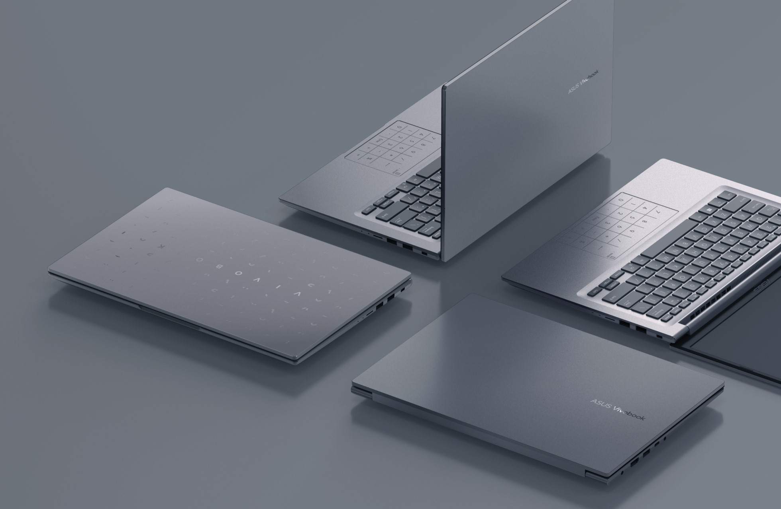

Part No | 90NB1021-M002W0
Model Name | X1504ZA-BQ065

EAN Code | 4711387117132
UPC Code | 197105117136

Operating System | No preinstalled OS
LCD cover-material | Plastic
LCD cover-color | Quiet Blue
Top case-material | Plastic
Top case-color | Quiet Blue
Bottom case-material | Plastic
Bottom case-color | Quiet Blue
Military grade | US MIL-STD 810H military-grade standard
Touch Panel | Non-touch screen
Panel Size | 15.6-inch
Resolution | FHD (1920 x 1080) 16:9 aspect ratio
Backlit | LED Backlit
IPS-level | IPS-level Panel
Refresh rate | 60Hz refresh rate
Brightness | 250nits
Color gamut | 45% NTSC color gamut
Glare | Anti-glare display
T?V Rheinland-certified | TÜV Rheinland-certified
Screen-to-body ratio | 84 ％
Processor | Intel®Core™ i5-1235U Processor 1.3 GHz (10M Cache, up to 4.4 GHz, 10 cores)
Chipset | N/A
Discrete/Share | Share
Intergrated GPU | Intel Iris Xᵉ Graphics
Disclaimer for Intel Iris Xe | *Intel Iris Xᵉ Graphics is only available in models with Intel® Core™ i5/i7/i9 processors and dual-channel memory.
VRAM | N/A
Expansion Slot(includes used) | 1x DDR4 SO-DIMM slot 1x M.2 2280 PCIe 4.0x4
On board memory | 8GB DDR4 on board
DIMM Memory | 8GB DDR4 SO-DIMM
Total System Memory | DDR4 16GB
Disclaimer for memory | *Dual-channel memory support requires at least one SO-DIMM module.
Storage | 512GB M.2 NVMe™ PCIe® 3.0 SSD
Front-facing camera | 720p HD camera ; With privacy shutter
Wireless | Wi-Fi 6E(802.11ax) (Dual band) 1*1 + Bluetooth® 5
NumberPad | Support NumberPad
ScreenPad? | N/A
FingerPrint | N/A
I/O ports | 1x USB 2.0 Type-A 1x USB 3.2 Gen 1 Type-C 2x USB 3.2 Gen 1 Type-A 1x HDMI 1.4 1x DC-in
Audio | SonicMaster Built-in speaker Built-in array microphone
Voice control | with Cortana and Alexa voice-recognition support
AC Adapter | ø4.5, 45W AC Adapter, Output: 19V DC, 2.37A, 45W, Input: 100~240V AC 50/60Hz universal
Battery | 42WHrs, 3S1P, 3-cell Li-ion
Replaceable Battery | No
Keyboard type | Backlit Chiclet Keyboard
Dimension (WxHxD) | 35.97 x 23.25 x 1.79 ~ 1.79 cm
Weight (with Battery) | 1.70 kg
Weight (without Battery) | 1.50 kg
Security | McAfee® LiveSafe™ BIOS Booting User Password Protection BIOS setup user password Trusted Platform Module (Firmware TPM)
MyASUS feature | System diagnosis Battery health charging Fan Profile Splendid Tru2Life Function key lock WiFi SmartConnect Link to MyASUS TaskFirst Live update AI Noise Canceling
Built-in Apps | MyASUS ScreenXpert GlideX
Adobe Creative Cloud Hard Bundle | One-Month Membership of Adobe Creative Cloud All Apps, Individual. The redemption duration from September 15, 2021 to November 15, 2022.

