Specification
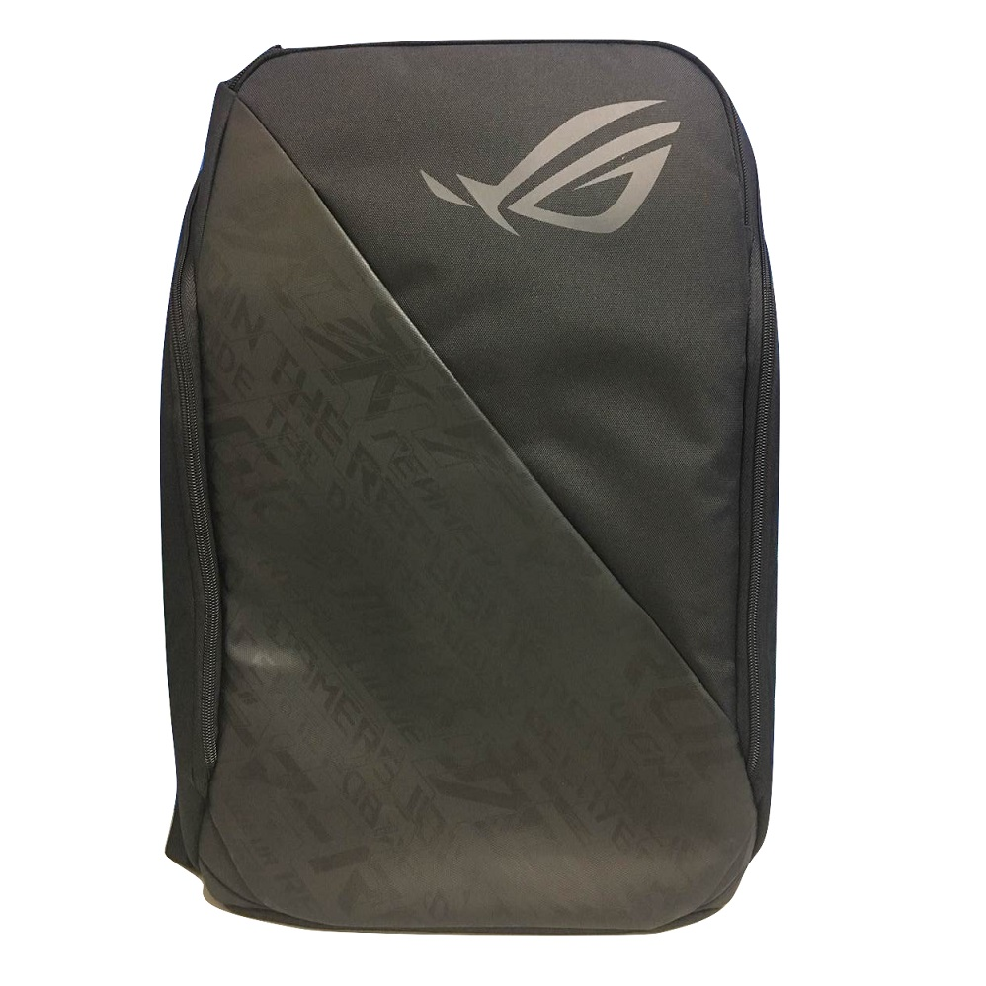
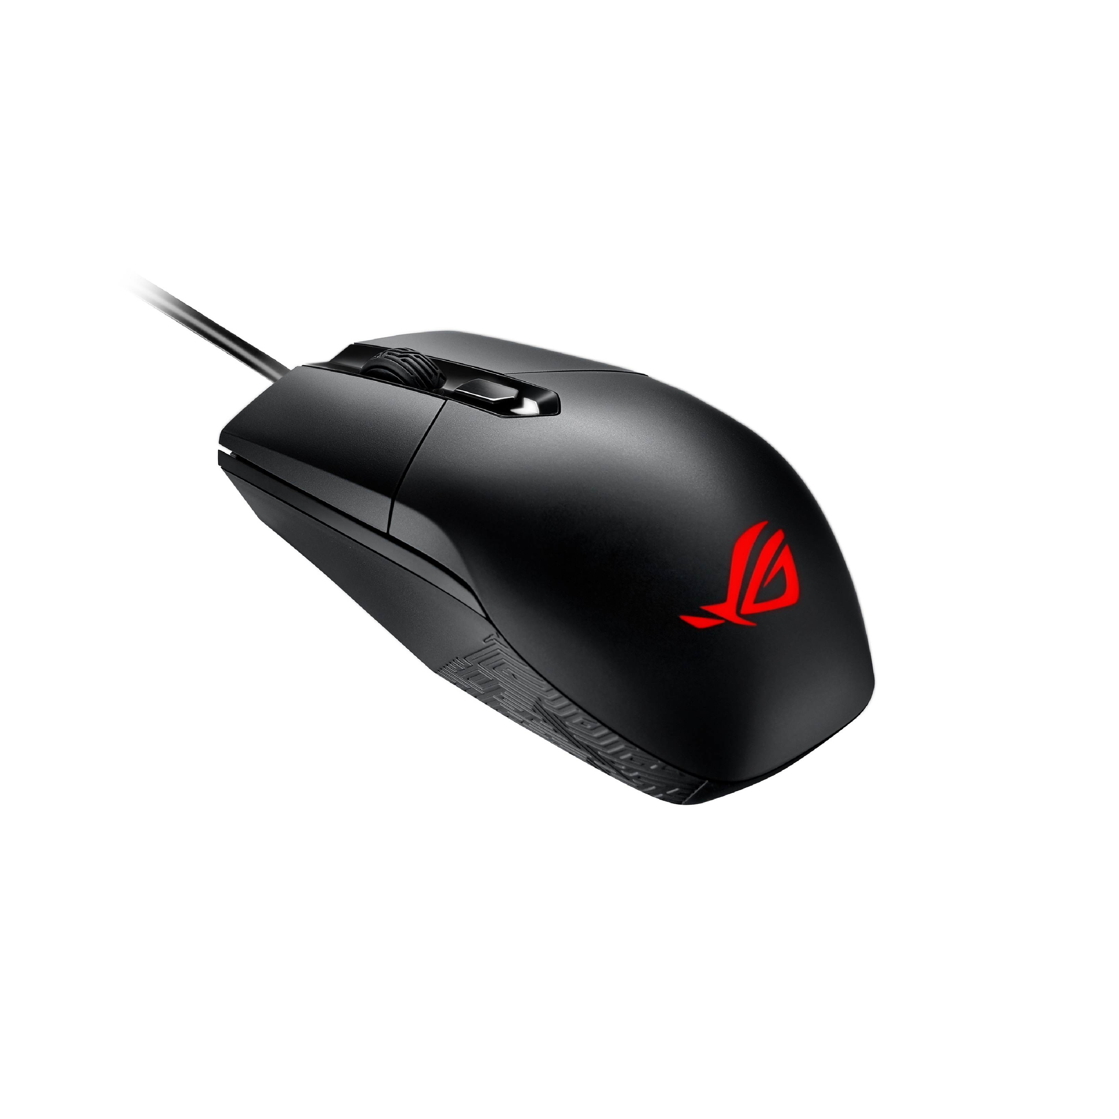
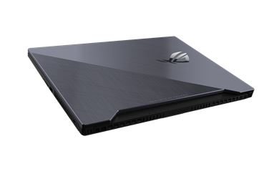

Part No | 90NR01Y1-M00260
Model Name | GL704GV-EV002

EAN Code | 4718017343404
UPC Code | 192876343401

A Part (lid) | 1A-SCAR Gunmetal
B Part (bezel) | Black plastic /Material PC+ABS
C Part (inside) | Black plastic IMR
D Part (bottom) | Black plastic /Material PC+ABS
Dimension | 39.9(W) x 27.3(D) x 2.49 ~ 2.64(H) cm 15.74(W) x 10.76(D) x 0.98 ~ 1.03(H) inches
Weight | 2.90 Kg 6.50 Lb
Processor | Intel® Core™ i7-8750H Processor 2.2 GHz (9M Cache, up to 3.9GHz)
Chipset | Mobile Intel® HM370 Express Chipsets
Discrete/Optimus | Optimus
Graphic | NVIDIA® GeForce RTX™ 2060
Graphic Memory | GDDR6 6GB
IGPU | Intel UHD Graphics 630
Panel Size | 17.3'
Resolution | FHD 1920x1080 16:9
Refresh Rate | 144Hz
Response Time (G2G) | 3ms
Viewing Angle | 170
Panel Tech | IPS-level
Brightness | 300nits
Contrast | 800:1
NTSC % | 72%
SRGB % | 100%
Adobe % | 75.35%
Anti glare | Anti glare
Gsync | N/A
Total System Memory | DDR4 2666 16G
On board memory | N/A
Memory Slot | 2x
DIMM Memory | DDR4 2666 16G
Memory Max. | 32GB
System Storage Installed | PCIE NVME 256G M.2 SSD SATA 1TB 5400RPM 2.5’ Hybrid HDD (FireCuda)
M.2 slots support either SATA and NVMe | 1
M.2 SSD Support List | M.2 256GB PCIe M.2 512GB PCIe M.2 1TB PCIe
LAN | 10/100/1000 Mbps
Wi-Fi/Bluetooth | Wi-Fi 5(802.11ac) 2*2 + Bluetooth 5.0 (*BT version may change with OS upgrades.) -RangeBoost
I/O Ports | 3x Type A USB 3.2 Gen 1 1x Type C USB 3.2 Gen 2 1x Type A USB 3.2 Gen 2 1x SD//1x 3.5mm combo audio jack
Thunderbolt | N/A
Display output | 1x HDMI 2.0b 1x mDP 1.4
Webcam | 720P HD
Mic | Built-in array microphone
Keyboard Type | Illuminated Chiclet Keyboard 4-Zone RGB
NumberPad | N/A
Aura Sync | Yes
Speakers | 2x 3.5W with Smart AMP
Audio Tech | Smart Amp
Operating System | Without OS
Security | BIOS Administrator Password and User Password Protection Kensington Lock
Battery | 66WHrs, 4S1P, 4-cell Li-ion
Power | ø6.0 230W AC Adapter Output: 19.5V DC, 11.8A, 230W Input: 100~240V AC, 50/60Hz universal
Bundled Peripherals | GAMING BAG FOR 17 & Marketing Giveaway (3D ROG Sculpture)
Additional Accessories | Gaming Mouse IMPACT Palm Rest Label

