Specification
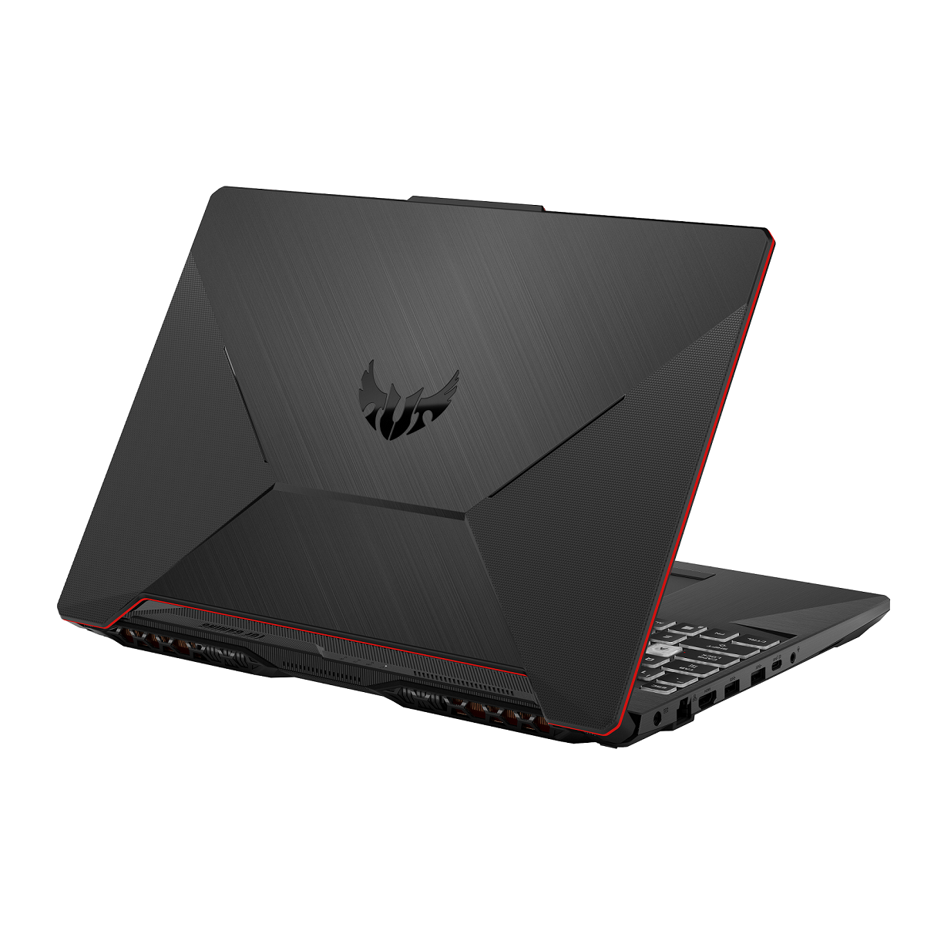

Part No | 90NR03U2-M006F0
Model Name | FX506LH-HN236

EAN Code | 4711081634942
UPC Code | 195553634946

Marketing Name | ASUS TUF Gaming F15
Color | Bonfire Black
Dimension (W x D x H) | 35.9 x 25.6 x 2.47 ~ 2.49 cm
Weight | 2.30 Kg
Processor | Intel® Core™ i5-10300H Processor 2.5 GHz (8M Cache, up to 4.5 GHz, 4 cores)
Chipset | Mobile Intel® HM470 Express Chipsets
Discrete/Optimus | Optimus
Graphic | NVIDIA® GeForce® GTX 1650
Graphic Memory | 4GB GDDR6
IGPU | Intel® UHD Graphics
Panel Size | 15.6-inch
Resolution | FHD (1920 x 1080) 16:9
Refresh Rate | 144Hz
Viewing Angle | 170/170
Panel Tech | Value IPS-level
Brightness | 250
Contrast | 1000:1
NTSC % | 45%
SRGB % | 62.5%
Adobe % | 47.1%
Anti glare | anti-glare display
Adaptive-Sync technology | N/A
Pantone | N/A
Support Dolby Vision HDR | No
Total System Memory | 16GB DDR4 SO-DIMM(2933MHz for i5-10300H/i7-10750H/i7-10870H)
On board memory | N/A
Memory Slot | 2x SO-DIMM slots
DIMM Memory | 16GB DDR4 SO-DIMM(2933MHz for i5-10300H/i7-10750H/i7-10870H)
Memory Max. | 32GB
System Storage Installed | 512GB M.2 NVMe™ PCIe® 3.0 SSD
M.2 slots support either SATA or NVMe | 1
M.2 SSD Support List | M.2 256GB PCIe SSD M.2 512GB PCIe SSD M.2 1TB PCIe SSD
Expansion Slot (includes used) | 2x DDR4 SO-DIMM slots 1x PCIe 1x PCIe/SATA
LAN | 10/100/1000 Mbps
Wi-Fi/Bluetooth | Wi-Fi 6(802.11ax)+Bluetooth 5.2 (Dual band) 2*2 (*BT version may change with OS upgrades.)
I/O Ports | 1x USB 2.0 Type-A 2x USB 3.2 Gen 1 Type-A//1x USB 3.2 Gen 2 Type-C support DisplayPort™ / G-SYNC
Display output | 1x HDMI 2.0b
Audio | 1x 3.5mm Combo Audio Jack
Webcam | 720P HD camera
Mic | Built-in array microphone
Keyboard Type | Backlit Chiclet Keyboard RGB
NumberPad | N/A
Aura Sync | N/A
Speakers | 2-speaker system with Smart Amplifier Technology
Audio Tech | DTS software
Security | BIOS Administrator Password and User Password Protection Kensington Security Slot™
Battery | 48WHrs, 3S1P, 3-cell Li-ion
Power | ø6.0, 150W AC Adapter, Output: 20V DC, 7.5A, 150W, Input: 100~240V AC, 50/60Hz universal
Reparability Index (for FR) | 5.4

