Specification
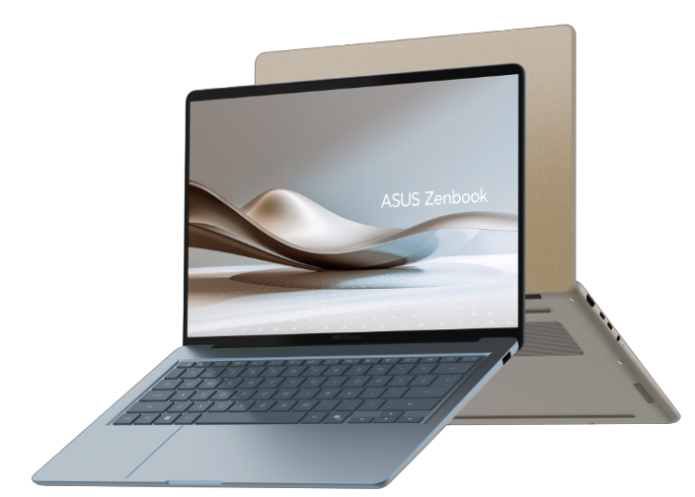

Part No | 90NB1941-M001R0
Sales Model Name | UX3480AA-U1048
EAN Code | 4711636733359
UPC Code | 199291733350
WEEE | 1.045
BASE UNIT | VSNB1941-BU2002

Marketing Name | ASUS Zenbook 14
Operating System | No preinstalled OS
LCD cover-material | Ceraluminum™ (ceramized aluminum alloy)
LCD cover-color | Arctic Blue
Top case-material | Aluminum
Top case-color | Arctic Blue
Keyboard color | Blue
Bottom case-material | Aluminum
Bottom case-color | Arctic Blue
Military grade | US MIL-STD 810H military-grade standard
Touch Panel | Non-touch screen
Panel Size | 14.0-inch
Resolution | FHD (1920 x 1200) OLED 16:10 aspect ratio
LED Backlit Unit | LED Backlit
Refresh rate | 60Hz
Panel tech | OLED
Brightness | 300nits
Color gamut | 100% DCI-P3 color gamut
Contrast ratio | 1,000,000:1
Color depth | 16.7 million colors
Surface texture of display | N/A
Low blue light | 70% less harmful blue light
TÜV Rheinland-certified | TÜV Rheinland-certified
SGS Eye Care Display | SGS Eye Care Display
Screen-to-body ratio | 89%
Processor | Intel® Core™ Ultra 7 Processor 355 2.3 GHz (12MB Cache, up to 4.7 GHz, 8 cores, 8 Threads); Intel® NPU up to 49TOPS
Chipset | N/A
Discrete/Share | Share
Intergrated GPU | Intel® Graphics
Neural Processor | Intel® NPU up to 50TOPS
Expansion Slot(includes used) | 1x M.2 2280 PCIe 4.0x4
On board memory | 16GB LPDDR5X on board
Total System Memory | LPDDR5X 16GB
Storage | 512GB M.2 NVMe™ PCIe® 4.0 SSD
Front-facing camera | FHD camera with IR function to support Windows Hello ; With privacy shutter
on board Wireless | Wi-Fi 6E(802.11ax) (Triple band) 2*2 + Bluetooth® 5.4 Wireless Card (*Bluetooth® version may change with OS version different.)
Keyboard type | Backlit Chiclet Keyboard
Touchpad | Precision touchpad
FingerPrint | N/A
I/O ports | 1x USB 3.2 Gen 1 Type-A (data speed up to 5Gbps) 1x USB 3.2 Gen 2 Type-C with support for display / power delivery (data speed up to 10Gbps) 1x Thunderbolt™ 4 with support for display / power delivery (data speed up to 40Gbps) 1x micro HDMI 2.1 TMDS 1x 3.5mm Combo Audio Jack
Audio | Smart Amp Technology Built-in speaker Built-in array microphone
Voice control | N/A
Charger included | Included
Power | TYPE-C, 68W AC Adapter, Output: 20V DC, 3.4A, 68W, Input: 100~240V AC 50/60Hz universal
Required charging power | Min: 45W Max: 68W *The indicated wattage is for demonstrating the system’s support capability as required by EU regulations. For optimal system performance, please use the standard-wattage adapter or higher.
Battery | 70WHrs, 4S1P, 4-cell Li-ion
Replaceable Battery | No
Weight (with Battery) | 1.20 kg (2.65 lbs)
Weight (without Battery) | 1.03 kg (2.27 lbs)
Dimension (W x H x D) | 31.12 x 21.58 x 1.39 ~ 1.69 cm (12.25" x 8.50" x 0.55" ~ 0.67")
Built-in Apps | ASUS Recovery MyASUS ScreenXpert GlideX
MyASUS feature | System diagnosis Battery health charging Fan Profile Splendid Tru2Life Function key lock WiFi SmartConnect TaskFirst Live update ASUS OLED Care AI Noise Canceling
Exclusive subscription offers | 3-Month Google AI Pro Subscription 3-Month GoPro Premium+ Subscription 1-Month Membership of Adobe Creative Cloud All Apps, Individual. The redemption duration from September 15, 2021 to August 31, 2026. 3-Month Goodnotes Essential Subscription 6-Month Dropbox 500GB Subscription 1-Year ASUS Secure Auto-Backup 200GB Subscription *Available in eligible markets only. Eligibility varies by region, device, and time. Terms and conditions apply. See promotion pages for details.
Security | IR webcam with Windows Hello support BIOS Booting User Password Protection BIOS setup user password Microsoft Pluton security processor Trusted Platform Module (Firmware TPM)
Ecolabels & Compliances | RoHS REACH
Included in the Box | Wireless optical mouse Sleeve
Reparability Index (for France) | 9.3

