Specification
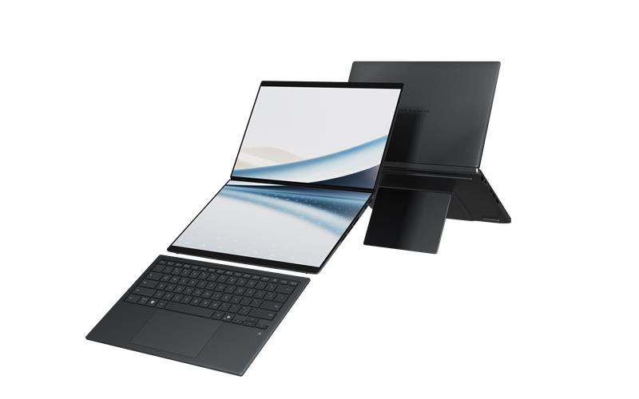

Part No | 90NB16V1-M00ZC0
Sales Model Name | UX8407AA-SN603X
EAN Code | 4711636671361
UPC Code | 199291671362
WEEE | 1.06
BASE UNIT | VSNB16V1-BU1000

Marketing Name | ASUS Zenbook DUO
Operating System | Windows 11 Pro
LCD cover-material | Ceraluminum™ (ceramized aluminum‑magnesium alloy)
LCD cover-color | Moher Gray
Top case-material | Ceraluminum™ (ceramized aluminum‑magnesium alloy)
Top case-color | Moher Gray
Keyboard color | Moher Gray
Bottom case-material | Ceraluminum™ (ceramized aluminum‑magnesium alloy)
Bottom case-color | Moher Gray
Military grade | US MIL-STD 810H military-grade standard
Touch Panel | Touch screen
Panel Size | 14.0-inch
Resolution | 3K (2880 x 1800) OLED 16:10 aspect ratio
Response time | 0.2ms response time
Refresh rate | 144Hz
Panel tech | OLED
Brightness | 500nits
Peak brightness | 1000nits HDR peak brightness
Color gamut | 100% DCI-P3 color gamut
Gamut mapping | Yes
Contrast ratio | 1,000,000:1
VESA CERTIFIED Display HDR | VESA CERTIFIED Display HDR True Black 1000
Color depth | 1.07 billion colors
Pantone | PANTONE Validated
Surface texture of display | Anti-reflection(AR) display
Low blue light | 70% less harmful blue light
Screen-to-body ratio | 93%
Stylus support | With stylus support
Processor | Intel® Core™ Ultra X9 Processor 378H 2.1 GHz (18MB Cache, up to 5.0 GHz, 16 cores, 16 Threads); Intel® NPU up to 50TOPS
Chipset | N/A
Discrete/Share | Share
Intergrated GPU | Intel® Arc™ Graphics
Neural Processor | Intel® NPU up to 50TOPS
Expansion Slot(includes used) | 1x M.2 2280 PCIe 4.0x4
On board memory | 32GB LPDDR5X on board
Total System Memory | LPDDR5X 32GB
Storage | 2TB M.2 NVMe™ PCIe® 4.0 SSD
Front-facing camera | FHD camera with IR function to support Windows Hello
Wireless | Wi-Fi 7(802.11be) (Triple band) 2*2 + Bluetooth® 5.4 Wireless Card (*Bluetooth® version may change with OS version different.)
on board Wireless | Wi-Fi 7(802.11be) (Tri-band)2*2 + Bluetooth® 5.4 Wireless Card (*Bluetooth® version may change with OS version different.)
Keyboard type | Backlit Chiclet Soft Keyboard With Copilot key
Touchpad | Precision touchpad
FingerPrint | N/A
I/O ports | 1x USB 3.2 Gen 2 Type-A (data speed up to 10Gbps) 2x Thunderbolt™ 4 with support for display / power delivery (data speed up to 40Gbps) 1x HDMI 2.1 FRL 1x 3.5mm Combo Audio Jack
Audio | Smart Amp Technology Built-in speaker Built-in array microphone
Voice control | with Cortana support
Charger included | Included
Power | TYPE-C, 100W AC Adapter, Output 20V DC, 5A, 100W, Input: 100~240V AC 50/60Hz universal
Required charging power | Min: 45W Max: 100W *The indicated wattage is for demonstrating the system’s support capability as required by EU regulations. For optimal system performance, please use the standard-wattage adapter or higher.
Battery | 99WHrs, 4S1P, 4-cell Li-ion
Replaceable Battery | No
Weight (with Battery) | 1.65 kg (3.64 lbs)
Weight (without Battery) | 1.31 kg (2.89 lbs)
Dimension (W x H x D) | 31.01 x 20.86 x 1.96 ~ 2.34 cm (12.21" x 8.21" x 0.77" ~ 0.92")
Dimension for Keyboard | 30.63 x 20.37 x 0.51 ~ 0.53 cm (12.06" x 8.02" x 0.20" ~ 0.21")
Built-in Apps | ASUS Recovery MyASUS ScreenXpert GlideX
MyASUS feature | System diagnosis Battery health charging Fan Profile Splendid Tru2Life Function key lock WiFi SmartConnect TaskFirst Live update ASUS OLED Care AI Noise Canceling
Exclusive subscription offers | 3-Month Google AI Pro Subscription 3-Month GoPro Premium+ Subscription 1-Month Membership of Adobe Creative Cloud All Apps, Individual. The redemption duration from September 15, 2021 to August 31, 2026. 3-Month Goodnotes Essential Subscription 6-Month Dropbox 500GB Subscription 1-Year ASUS Secure Auto-Backup 200GB Subscription *Available in eligible markets only. Eligibility varies by region, device, and time. Terms and conditions apply. See promotion pages for details.
Office | 1-month trial for new Microsoft 365 customers. Credit card required.
Antivirus | N/A
Security | IR webcam with Windows Hello support Trusted Platform Module (Firmware TPM) Microsoft Pluton security processor
Ecolabels & Compliances | Energy star RoHS
Included in the Box | Sleeve
Reparability Index (for France) | 8.4

