Specification
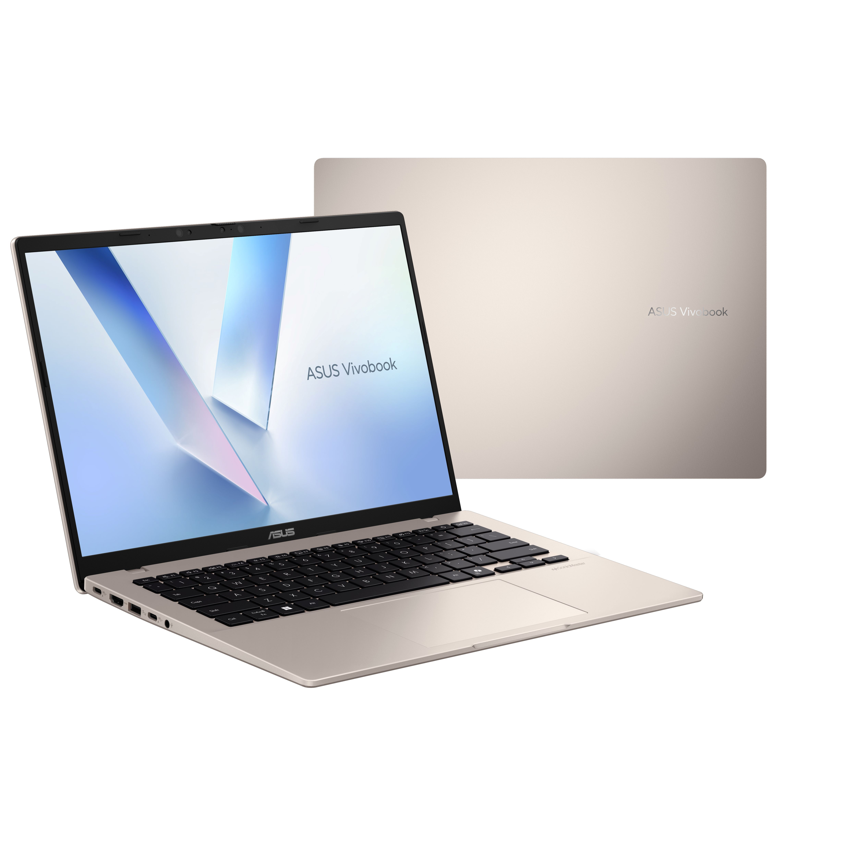

Part No | 90NB1602-M000Y0
Sales Model Name | X1407QA-LY013W
EAN Code
UPC Code
WEEE
BASE UNIT | VSNB1602-BU1011

Marketing Name | ASUS Vivobook 14
Operating System | Windows 11 Home - ASUS recommends Windows 11 Pro for business
Office | 1-month trial for new Microsoft 365 customers. Credit card required.
LCD cover-material | Plastic
LCD cover-color | Platinum Gold
Top case-material | Plastic
Top case-color | Platinum Gold
Keyboard color | Black
Bottom case-material | Plastic
Bottom case-color | Platinum Gold
Military grade | N/A
Touch Panel | Non-touch screen
Panel Size | 14.0-inch
Resolution | WUXGA (1920 x 1200) 16:10 aspect ratio
LED Backlit Unit | LED Backlit
IPS-level | IPS-level Panel
Refresh rate | 60Hz refresh rate
Brightness | 300nits
Color gamut | 45% NTSC color gamut
Glare | Anti-glare display
Screen-to-body ratio | 87%
Processor | Snapdragon® X X1 26 100 Processor (30MB Cache, up to 2.97GHz, 8 cores, 8 Threads); Qualcomm® Hexagon™ NPU up to 45TOPS
Chipset | N/A
Discrete/Share | Share
Intergrated GPU | Qualcomm® Adreno™ GPU
Neural Processor | Qualcomm® Hexagon™ NPU up to 45TOPS
Expansion Slot(includes used) | 1x M.2 2280 PCIe 4.0x4
On board memory | 16GB LPDDR5X on board
Total System Memory | LPDDR5X 16GB
Storage | 1TB M.2 NVMe™ PCIe® 4.0 SSD
Front-facing camera | FHD camera with IR function to support Windows Hello ; With privacy shutter
Wireless | Wi-Fi 6E(802.11ax) (Triple band) 2*2 + Bluetooth® 5.3 Wireless Card (*Bluetooth® version may change with OS version different.)
Keyboard type | Backlit Chiclet Keyboard With Copilot key *Copilot in Windows (in preview) is rolling out gradually within the latest update to Windows 11 in select global markets. Timing of availability varies by device and market. Learn more: https://www.microsoft.com/en-us/windows/copilot-ai-features?r=1#faq
Touchpad | Precision touchpad
FingerPrint | N/A
I/O ports | 2x USB 3.2 Gen 1 Type-A (data speed up to 5Gbps) 2x USB 4.0 Gen 3 Type-C with support for display / power delivery (data speed up to 40Gbps) 1x HDMI 2.1 TMDS 1x 3.5mm Combo Audio Jack
Audio | SonicMaster Smart Amp Technology Built-in speaker Built-in array microphone
Voice control | N/A
Power | TYPE-C, 65W AC Adapter, Output: 20V DC, 3.25A, 65W, Input: 100-240V AC 50/60GHz universal
Battery | 70WHrs, 3S1P, 3-cell Li-ion
Replaceable Battery | No
Dimension (W x H x D) | 31.52 x 22.34 x 1.79 ~ 1.99 cm (12.41" x 8.80" x 0.70" ~ 0.78")
Weight (with Battery) | 1.49 kg (3.28 lbs)
Weight (without Battery) | 1.29 kg (2.84 lbs)
Antivirus | McAfee® 30 days free trial
Security | IR webcam with Windows Hello support McAfee® BIOS Booting User Password Protection BIOS setup user password Microsoft Pluton security processor Trusted Platform Module (Firmware TPM)
MyASUS feature | System diagnosis Battery health charging Fan Profile Splendid Function key lock WiFi SmartConnect Link to MyASUS TaskFirst Live update AI Noise Canceling
Built-in Apps | StoryCube MyASUS ScreenXpert GlideX
Adobe Creative Cloud Hard Bundle | One-Month Membership of Adobe Creative Cloud All Apps, Individual. The redemption duration from September 15, 2021 to August 31, 2025.
Ecolabels & Compliances | Energy star 8.0 RoHS REACH
Reparability Index (for France) | 9.5

